Cover
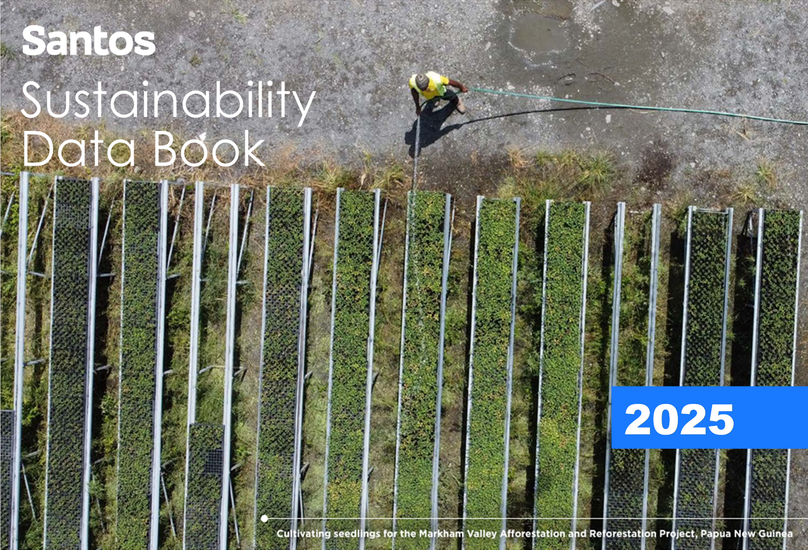

Important information
X3A0T
Company Reporting
Return to Index
Return to Index
Company Reporting
2025 Sustainability Data Book
Important information/disclaimer

This data book provides an overview of Santos’ sustainability and climate data and performance for the 2025 calendar year. We use various metrics to measure our progress and performance against a range of sustainability topics.
This data book does not purport to be all inclusive or to contain all information which a recipient may require to make an informed assessment of our sustainability or climate performance.
Associated documents
This data book should be read in conjunction with our full annual reporting suite which brings together information on Santos' financial and sustainability performance for the year and other disclosures. These can be viewed on our website at santos.com/investors.

Reporting standards and frameworks
Our reporting practices are informed by and reflect our commitment to current industry applicable standards, guidance and frameworks, including: • Global Reporting Initiative (GRI) – GRI Standards, GRI 11 Oil and Gas Sector 2021 and GRI 3 Material Topics 2021. • Task Force on Climate-related Financial Disclosures (TCFD). • Sustainability Accounting Standards Board (SASB), Oil and Gas Sector. • Ipieca, the global oil and gas association for advancing environmental and social performance across the energy transition. • UNSDGs 17 Goals and key objectives.
Santos GRI and TCFD indices can be viewed at Santos.com.

Reporting boundaries
Information and data provided in this data book are presented on a Santos gross operated basis unless otherwise stated, with the exception of tax paid and certain climate-related data.
Unless otherwise stated or the context requires, references to Santos, we, us, our and similar expressions refer to Santos Ltd and associated entities under its operational control.
The Santos Foundation is a not-for-profit organisation operating in Papua New Guinea (PNG) and Australia and comprises two trusts managed by corporate trustees which are Santos subsidiaries.

Metrics/currency
All dollar figures are expressed in US currency, unless otherwise stated. Supply chain, community investment and fines are presented using a 12-month average foreign exchange rate.

Restatements
Due to the lag nature of incident reporting and subsequent verification, final rates may vary after the date of initial reporting.
Where relevant, historical data may be updated where more accurate data becomes available, or where there has been improvements or changes to data calculation, estimation or definitions. All material changes are footnoted with an explanation in the body of the data book.

Third-party statements
Certain information contained in this data book is based on information prepared by third parties. Santos does not make any representation or warranty that this third-party material is accurate, complete or up to date.

Definitions
The Santos 2025 Annual Report contains a full glossary of terms and definitions that may be used in this data book.

Feedback
Any feedback or additional information requests regarding our sustainability-related disclosures, please contact us via email at investor.relations@santos.com

Version
Data last updated on 17 February 2026.

References
X4A0T
Company Reporting
Return to Index
Return to Index
Company Reporting
2025 Sustainability Data Book
Reference documents
Click on title to access the document or further information

2025 Santos reporting suite
Annual Report
Climate Strategy Update
Modern Slavery Statement (2024)
2025 Full-Year Results

Other reports
Santos Foundation Annual Report (2024)
Workplace Gender Equality Agency Australia - Gender Pay Gap Report (2024) (Australia only)

Historical and interim company reporting
2025 Quarter 4 Report
2025 Quarter 3 Report
2025 Quarter 2 Report
2025 Quarter 1 Report
2025 Half-Year Results Announcement and Presentation
2024 Annual Report

Santos charters, policies, procedures and constitution
Anti Corruption and Sanctions Compliance Procedure
Board Charter
Climate Policy
Code of Conduct
Community Investment Framework
Company Constitution
Diversity and Inclusion Policy
Environment Policy
Health and Safety Policy
Human Rights and Modern Slavery Policy
Local and Indigenous Communities Policy
Market Communication and Continuous Disclosure Policy
Reporting Misconduct Procedure
Risk Management Policy
Securities Dealing Policy

ESG indices and ratings
Company Reporting
Return to Index
Return to Index
Company Reporting
2025 Sustainability Data Book
ESG indices and ratings
Santos actively engages with ESG ratings as part of our ongoing commitment to improving our reporting and disclosures. Our 2025 performance included industry-leading results in the S&P Corporate Sustainability Assessment and MSCI’s ESG Ratings.

Rating Provider | Maximum score | 2025 | 2024 | 2023 | 2022
S&P Global Corporate Sustainability Assessment (CSA) Score | 100 | 61 | 55 | 51 | 40
MSCI ESG Ratings | AAA | AA | AA | AA | AA

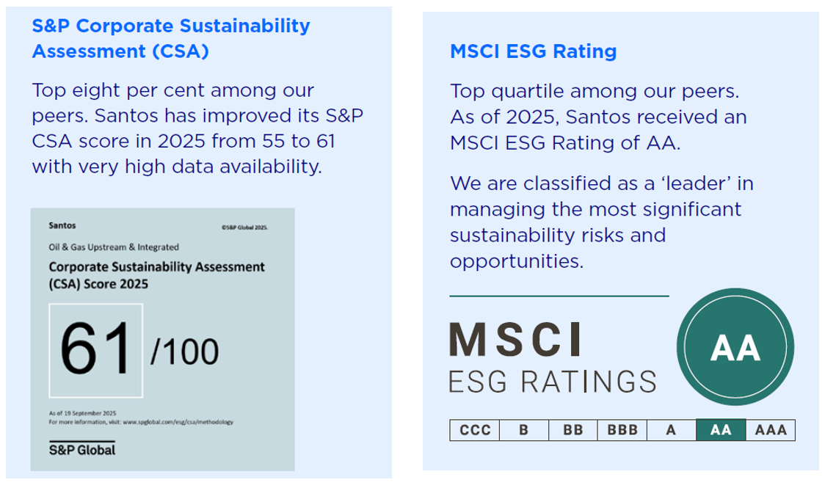

Source: https://www.spglobal.com/esg/scores/results?cid=4157467

Health and safety
Company Reporting
Return to Index
2025 Sustainability Data Book
Health and safety1, 2
Santos is steadfast in pursuing safety excellence and conducting business activities in a manner that allows all employees and contractors to go home healthy and safe. Our commitment to being one of the safest, most reliable operators across the globe is demonstrated through a proactive and systematic approach to health and safety, with year-on-year improvements in our safety systems and performance. This commitment is led by the Board and Executives, with regular site visits to engage directly with the workforce and observe safety practices ﬁrsthand.
In 2025, Santos recorded its best personal safety performance in a decade. This included a reduction in total recordable injury rate (TRIR) and lost time injury rate (LTIR).
Workforce details

Workforce exposure hours3 | 2025 | 2024 | 2023 | 2022 | 2021
Total employee work hours | 7,707,606 | 7,903,333 | 7,658,262 | 7,630,000 | 5,900,000
Total contractor work hours | 30,346,703 | 29,144,966 | 21,832,951 | 13,130,000 | 9,060,000
Total | 38,054,309 | 37,048,299 | 29,491,213 | 20,760,000 | 14,960,000

Work-related safety performance
All rates calculated at 1,000,000 (one million) exposure hours worked

Fatalities | 2025 | 2024 | 2023 | 2022 | 2021
Employees
Number | 0 | 0 | 0 | 0 | 0
Contractors
Number | 0 | 0 | 0 | 0 | 0

Lost time injuries4,5 | 2025 | 2024 | 2023 | 2022 | 2021
Employees
Number | 0 | 1 | 1 | 0 | 2
Rate | 0.000 | 0.127 | 0.130 | 0.000 | 0.340
Contractors
Number | 2 | 2 | 3 | 5 | 10
Rate | 0.066 | 0.069 | 0.140 | 0.380 | 1.100
Lost time injury rate (LTIR) | 0.053 | 0.081 | 0.140 | 0.240 | 0.800

Recordable injuries6 | 2025 | 2024 | 2023 | 2022 | 2021
Employees
Number | 12 | 6 | 14 | 9 | 20
Rate | 1.56 | 0.76 | 1.83 | 1.18 | 3.39
Contractors
Number | 28 | 66 | 66 | 35 | 43
Rate | 0.92 | 2.26 | 3.02 | 2.67 | 4.75
Total recordable injury rate (TRIR) | 1.05 | 1.94 | 2.71 | 2.12 | 4.21

Moderate harm injuries | 2025 | 2024 | 2023 | 2022 | 2021
Employees
Number | 0 | 0 | 0 | 0 | 0
Rate | 0 | 0 | 0 | 0 | 0
Contractors
Number | 2 | 1 | 2 | 4 | 5
Rate | 0.07 | 0.03 | 0.09 | 0.30 | 0.55
Total moderate harm injury rate | 0.05 | 0.03 | 0.07 | 0.19 | 0.33

High potential events with fatality potential7,8 | 2025 | 2024 | 2023 | 2022 | 2021
Number | 5 | 7 | 5 | 7 | 6
Rate | 0.13 | 0.19 | 0.17 | 0.34 | 0.40

Near misses | 2025 | 2024
Employees
Number of near miss/close calls identified | 54 | 66
Near miss frequency rate (NMFR) | 7.01 | 8.35
Contractors
Number of near miss/close calls identified | 85 | 114
Near miss frequency rate (NMFR) | 2.80 | 3.91
Total near miss frequency rate (NMFR) | 3.65 | 4.86

Performance graphs
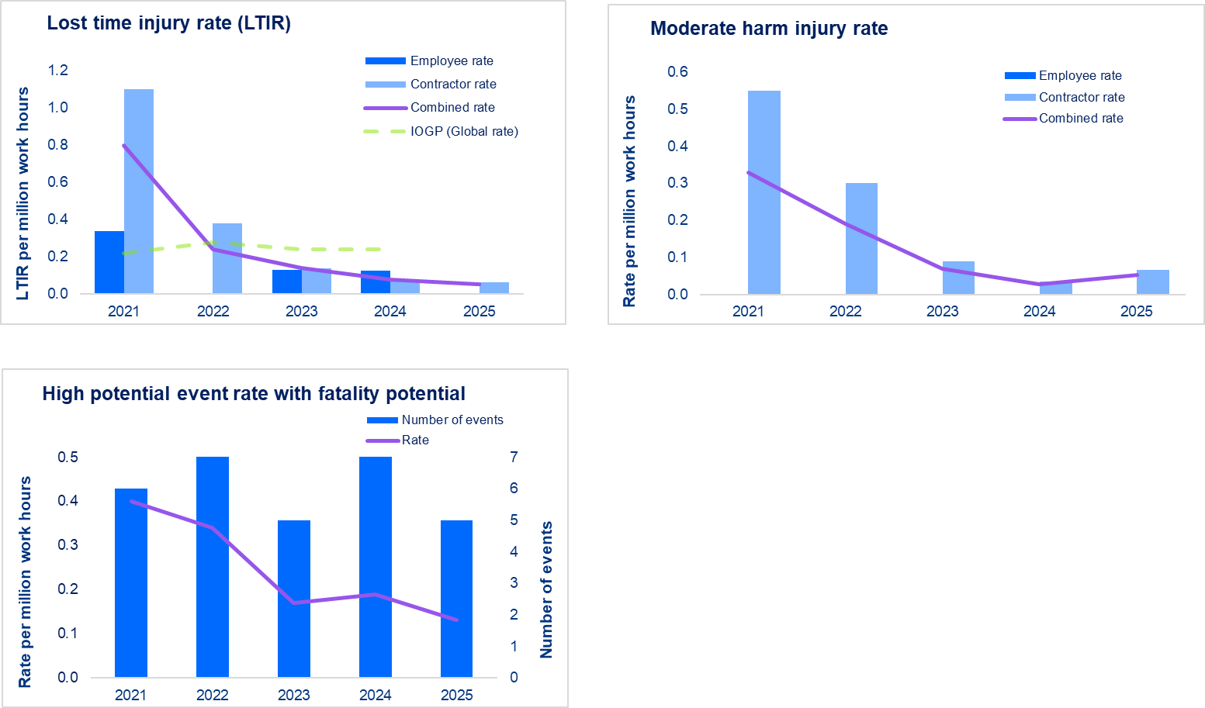

Footnotes
1 Contractor work hours, incidents and frequency rates exclude contractors operating within their own health and safety management system that has no interface with the Santos Management System.
2 100% of employees and contractors were covered by an occupational health and safety management system that is internally audited.
3 Employee and embedded contractor exposure hours are calculated as per the IOGP industry guidance - 2,000 work hours per worker per annum. All other contractors self report actual hours worked.
4 Two LTIs associated with Working at Heights.
5 IOGP data sourced from "2024s - Safety performance indicators - 2024 data". IOGP 2025 data not released at time of report.
6 Santos will continue to improve the quality of its data and processes for capturing and reporting information. Due to the lag nature of incident reporting and subsequent verification, final rates may vary after the date of initial reporting.
7 High potential event rates are combined employee and contractor rates.
8 HPE figures for 2024 have been updated to seven following the classification of four additional events in 2025. The 2024 report had noted that several HPEs were pending classification. Some 2025 event classifications are still under review and subject to confirmation.

Process safety
X6A0T
Company Reporting
Return to Index
2025 Sustainability Data Book
Health and safety — Process safety
Santos is committed to being one of the safest and most reliable operators across the globe through the prevention of incidents that may have the potential to cause harm to our people, environment and assets. Asset integrity, process safety and life saving rules are core parts of our prevention approach.
Process safety performance
All rates calculated at 1,000,000 (one million) exposure hours worked1

Loss of primary containment | 2025 | 2024 | 2023 | 2022 | 2021
Number of Tier 1 loss of primary containment incidents | 1 | 3 | 5 | 3 | 1
Number of Tier 2 loss of primary containment incidents | 5 | 5 | 9 | 7 | 4
Tier 1 and 2 loss of primary containment incident rate | 0.16 | 0.22 | 0.47 | 0.48 | 0.33

Loss of containment incidents2 | 2025 | 2024 | 2023 | 2022 | 2021
Number of Tier 1 loss of containment incidents | 0 | 2 | 4 | 2 | 1
Number of Tier 2 loss of containment incidents | 3 | 3 | 10 | 4 | 4
Tier 1 and 2 loss of containment incidents frequency rate3 | 0.08 | 0.14 | 0.47 | 0.29 | 0.33

Performance graphs

Footnotes
1 Employee and embedded contractor exposure hours are calculated as per the IOGP industry guidance - 2,000 work hours per worker per annum. All other contractors self report actual hours worked.

Employee healthcare
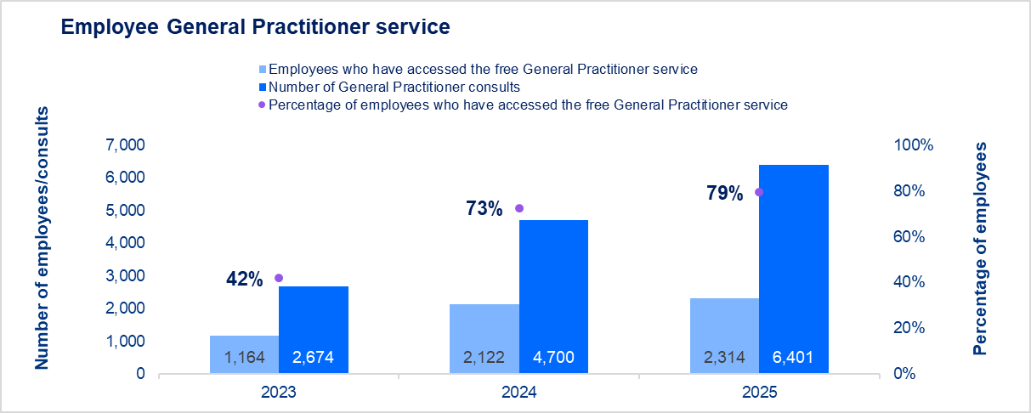
Company Reporting
Return to Index
2025 Sustainability Data Book
Health and safety — Employee healthcare
Santos’ enhanced health and wellbeing program delivers regular health campaigns, providing employees with opportunities to participate in education sessions, group activities, access online resources and attend free individual appointments with General Practitioners and other health experts.
Demonstrating significant workforce engagement, in 2025, almost four in five Australian employees accessed Santos’ free General Practitioner service. Health support is also offered in Alaska, PNG and Timor-Leste through our health insurance partners and local medical teams.
Employee healthcare

Free General Practitioner service - Australian employees | 2025 | 2024 | 2023
Number of General Practitioner consults | 6,401 | 4,700 | 2,674
Employees who have accessed the free General Practitioner service | 2,314 | 2,122 | 1,164
Percentage of employees who have accessed the free General Practitioner service | 79% | 73% | 42%

Performance graphs

Biodiversity
Company Reporting
Return to Index
2025 Sustainability Data Book
Environmental performance — Biodiversity
Santos works across a broad range of terrestrial and marine environments from tropical and arid to polar biomes, each with its own unique and dynamic biodiversity. To minimise our impacts, we implement structured development processes that follow an avoidance hierarchy.
Biodiversity footprint
All area data is reported in hectares (ha)

Operational sites | 2025 | Regional summary |  |  |  | 2024 | 2023 | 2022
 | Total | Australia | Papua New Guinea | Timor-Leste | United States | Total | Total | Total
Total area of tenements1 | 27,433,707 | 25,855,745 | 792,514 | 64,663 | 720,785 | 28,449,223 | 28,351,106 | 28,117,039
Total number of operational sites2 | 35 | 27 | 6 | 1 | 1 | 35 | 18 | NPR
Total area of operational sites | 101,282 | 99,473 | 1,684 | 46 | 80 | 46,382 | 45,207 | 42,491
Percentage of operated sites covered by a biodiversity impact assessment3 | 100% | 100% | 100% | 100% | 100% | 100% | 100% | NPR
Percentage of operated sites covered by an invasive species management plan4 | 100% | 100% | 100% | 100% | 100% | 100% | NPR | NPR
Operational area within protected areas5 | 7,378 | 7,378 | 0 | 0 | 0 | 7,197 | 7,058 | 6,631

Biodiversity offsets | 2025 | Regional summary |  |  |  | 2024 | 2023 | 2022
 | Total | Australia | Papua New Guinea | Timor-Leste | United States | Total | Total | Total
Cumulative biodiversity offsets areas (voluntary) | 0 | 0 | 0 | 0 | 0 | 0 | NPR | NPR
Cumulative biodiversity offsets areas (regulatory) | 46,846 | 46,611 | 0 | 0 | 235 | 44,502 | NPR | NPR
Total cumulative biodiversity offsets areas | 46,846 | 46,611 | 0 | 0 | 235 | 44,502 | 44,502 | NPR

Land disturbance and reinstatement | 2025 | Regional summary |  |  |  | 2024 | 2023 | 2022
 | Total | Australia | Papua New Guinea | Timor-Leste | United States | Total | Total | Total
Annual land disturbance area (total new disturbance) | 1,541 | 1,524 | 13.76 | 0 | 3 | 712 | NPR | NPR
Annual land reinstatement area (total new reinstatement / rehabilitation / remediation)6,7 | 3 | 3 | 0 | 0 | 0 | 55 | NPR | NPR

Footnotes
NPR - not previously reported.
1 Area that Santos has rights, as granted by a government authority (usually by way of a lease, licence, authority to prospect) which entitle the holders to explore, appraise and/or develop petroleum resources.
2 Santos' definition of 'operational site' includes projects/facilities/fields/regions that are operated as individual assets. These include, but are not limited to: standalone development projects, major facilities, including associated upstream and midstream production infrastructure, and transmission pipelines that export to market or between major Santos facilities.
3 Fauna and/or flora surveys and assessments are undertaken by suitably qualified independent external professionals. Santos notes that due to the nature of our operations, biodiversity impact assessments are required at an asset level. Santos has assessed on this level, and present this as such.
4 Invasive species management plans provide management strategies and procedures to minimise and manage the risk of the introduction of pest, plants and weeds (invasive species) as a result of Santos activities.
5 Geographic area that is designated, regulated, or managed to achieve specific conservation objectives (GRI 304: Biodiversity 2016).
6 Land that was used during or affected by operational activities, and where reinstatement/rehabilitation/remediation measures have either restored the environment to its original state, or to a state where it has a healthy and functioning ecosystem.
7 Rehabilitation can be a long-term process and, depending on the nature, scale and risk profile of a particular site, achievement of rehabilitation criteria may need to be assessed over a number of years. Accordingly, while reinstatement activities may have commenced in some areas, these areas are not reported as rehabilitated until all relevant criteria have been met. As a result, there may be a delay between the commencement of reinstatement works and the reporting of rehabilitation outcomes. In the Cooper Basin, assessment of progressive rehabilitation activities was restricted in 2025 due to some areas remaining inundated following a significant flood event.

Biodiversity IUCN
Company Reporting
Return to Index
2025 Sustainability Data Book
Environmental performance — Biodiversity

Operated assets owned, leased, managed in, or adjacent to International Union for Conservation of Nature (IUCN) endangered species habitat*
as at 2 December 2024

Area name | Activity type1 | Description | Footprint size (km2)2 | IBAT operation type3 | International Union for Conservation (IUCN) Red List of Threatened Species4
 |  |  |  |  | Critically endangered | Endangered | Vulnerable | Near threatened | Least concern
Australia
Cooper Basin | Transmission | Cook to Merrimelia Pipeline | 0.34 | Terrestrial oil and gas | 1 | 3 | 9 | 7 | 439
 | Exploration, production, processing | Upstream and Midstream South Australia and South-West Queensland | 27,706 | Terrestrial oil and gas | 1 | 3 | 11 | 15 | 540
 | Transmission | Jackson to Moomba Oil Pipeline | 0.28 | Terrestrial oil and gas | 1 | 3 | 8 | 8 | 448
 | Transmission | Jackson to Moonie Oil Pipeline | 1.61 | Terrestrial oil and gas | 0 | 8 | 21 | 17 | 765
 | Transmission | Moomba to Port Bonython Liquids Line | 1.32 | Terrestrial oil and gas | 5 | 30 | 55 | 31 | 1,140
 | Processing | Port Bonython Fractionation Plant | 0.96 | Terrestrial oil and gas | 4 | 27 | 50 | 26 | 1,001
 | Transmission | Tarbat to Jackson Oil Trunkline | 0.26 | Terrestrial oil and gas | 0 | 3 | 9 | 8 | 459
Eastern Queensland | Processing | GLNG Plant (Curtis Island) | 3.79 | Terrestrial oil and gas | 12 | 169 | 81 | 45 | 2,794
 | Exploration, production | Upstream Eastern Queensland (Roma, Fairview, Arcadia) | 16,304 | Terrestrial oil and gas | 1 | 12 | 26 | 25 | 1,007
 | Exploration | Upstream Eastern Queensland (ATP 2012) | 77.7 | Terrestrial oil and gas | 1 | 6 | 18 | 17 | 727
 | Exploration, production | Upstream Eastern Queensland (Scotia) | 679 | Terrestrial oil and gas | 0 | 7 | 20 | 18 | 796
 | Transmission | GLNG Gas Transmission Pipeline | 0.81 | Terrestrial oil and gas | 15 | 176 | 86 | 57 | 3,055
 | Transmission | Moonie to Brisbane Oil Pipeline (Moonie to Hodgson Vale) | 0.34 | Terrestrial oil and gas | 2 | 14 | 34 | 33 | 1,086
 | Transmission | Moonie to Brisbane Oil Pipeline (Hodgson Vale to Flagstone Creek) | 0.04 | Terrestrial oil and gas | 2 | 13 | 29 | 34 | 1,061
 | Transmission | Moonie to Brisbane Oil Pipeline (Flagstone Creek) | 0.0004 | Terrestrial oil and gas | 2 | 13 | 28 | 33 | 1,045
 | Transmission | Moonie to Brisbane Oil Pipeline (Flagstone Creek to Grandchester) | 0.07 | Terrestrial oil and gas | 3 | 16 | 34 | 46 | 1,200
 | Transmission | Moonie to Brisbane Oil Pipeline (Grandchester to Algester) | 0.12 | Terrestrial oil and gas | 14 | 151 | 90 | 86 | 2,596
 | Transmission | Moonie to Brisbane Oil Pipeline (Algester South) | 0.0005 | Terrestrial oil and gas | 14 | 150 | 85 | 75 | 2,530
 | Transmission | Moonie to Brisbane Oil Pipeline (Algester North) | 0.0011 | Terrestrial oil and gas | 14 | 150 | 85 | 75 | 2,530
 | Transmission | Moonie to Brisbane Oil Pipeline (Algester to Tingalpa) | 0.04 | Terrestrial oil and gas | 14 | 152 | 86 | 76 | 2,547
 | Transmission | Moonie to Brisbane Oil Pipeline (Tingalpa to Lytton) | 0.01 | Terrestrial oil and gas | 13 | 150 | 85 | 76 | 2,519
New South Wales | Exploration, production | Narrabri (PEL 1, PEL 12, PEL 238, PEL 427, PAL2, PPL3) | 13,154 | Terrestrial oil and gas | 4 | 9 | 37 | 33 | 934
Northern Australia | Exploration | Amadeus Basin | 68,754 | Terrestrial oil and gas | 2 | 4 | 16 | 13 | 644
 | Exploration, production, processing | Barossa | 4,478 | Marine oil and gas | 12 | 222 | 77 | 31 | 1,748
 | Transmission | Bayu-Undan to Darwin Gas Pipeline | 1.0 | Marine oil and gas | 14 | 156 | 72 | 38 | 2,414
 | Exploration | Bonaparte Basin (AC/P69) | 1,422 | Marine oil and gas | 12 | 157 | 50 | 25 | 1,404
 | Processing | Darwin LNG Plant | 0.63 | Terrestrial oil and gas | 14 | 156 | 69 | 36 | 2,304
 | Exploration | McArthur Basin | 16,198 | Terrestrial oil and gas | 1 | 3 | 11 | 8 | 883
 | Exploration | South Nicholson Basin | 32,832 | Terrestrial oil and gas | 15 | 138 | 63 | 35 | 2,053
Western Australia | Processing | Devil Creek Gas Plant | 0.37 | Terrestrial oil and gas | 13 | 153 | 57 | 35 | 2,000
 | Transmission | DCDP Offshore Gas Supply Pipeline (South) | 0.10 | Marine oil and gas | 13 | 151 | 57 | 34 | 1,972
 | Transmission | DCDP Offshore Gas Supply Pipeline (North) | 0.07 | Marine oil and gas | 13 | 153 | 57 | 35 | 2,030
 | Transmission | DCDP Onshore Gas Supply Pipeline | 0.02 | Terrestrial oil and gas | 13 | 153 | 57 | 35 | 2,020
 | Transmission | John Brookes Production Flowline | 0.04 | Marine oil and gas | 14 | 151 | 59 | 37 | 1,732
 | Transmission | Sales Gas Offshore (TPL/8, TPL/13) | 0.10 | Marine oil and gas | 14 | 155 | 59 | 36 | 1,983
 | Transmission | Sales Gas Onshore (PL 17) | 0.06 | Terrestrial oil and gas | 13 | 153 | 55 | 35 | 1,973
 | Exploration | Roebuck Basin (including Dorado) | 35,047 | Marine oil and gas | 14 | 152 | 63 | 40 | 2,068
 | Exploration, production, processing | WA Offshore Central (incl. Campbell, John Brookes, Spar, Varanus Island) | 7,914 | Marine oil and gas | 14 | 158 | 66 | 40 | 2,127
 | Exploration, production, processing | WA Offshore North (incl. Lasseter, Crown) | 4,037 | Marine oil and gas | 12 | 160 | 59 | 32 | 2,131
 | Exploration, production, processing | WA Offshore South (incl. Coniston, Novara, Van Gough, Taunton, Airlie Island, Chervil) | 1,548 | Marine oil and gas | 15 | 159 | 64 | 38 | 2,066
Papua New Guinea
Papua New Guinea | Transmission | Kutubu to Kumul Platform Pipeline | 0.52 | Terrestrial oil and gas | 22 | 199 | 99 | 71 | 2,991
 | Exploration | Elk-Antelope (and surrounds) | 11,683 | Terrestrial oil and gas | 41 | 260 | 143 | 101 | 3,953
 | Exploration | PNG Offshore (PRL 41) | 423 | Marine oil and gas | 11 | 171 | 65 | 31 | 1,729
 | Exploration, production, processing | PNG Central (Gobe, Hides, Kutubu) | 14,242 | Terrestrial oil and gas | 32 | 218 | 119 | 90 | 3,452
Timor-Leste
Bayu-Undan | Production, processing | Bayu-Undan | 645 | Marine oil and gas | 12 | 146 | 49 | 25 | 1,267
United States
Pikka | Exploration, production, processing | Pikka Seawater Treatment Plant | 0.02 | Marine oil and gas | 0 | 0 | 9 | 15 | 153
 | Exploration, production, processing | Upstream Pikka | 2,093 | Terrestrial oil and gas | 0 | 0 | 10 | 15 | 177

Footnotes
* The table includes species that are listed at an international or national level only. Data for the table was obtained from the Integrated Biodiversity Assessment Tool (IBAT) for Santos’ operated assets, at a site, facility or tenement scale. The IBAT Disclosure Preparation Report was generated under licence 45276-75963 from the Integrated Biodiversity Assessment Tool on 02 December 2024 (GMT). www.ibat-alliance.org. This report provides an indication of biodiversity-related features (protected areas, key biodiversity areas and species) whose distributions overlap or fall close to the specified site.
1 Activity type is designated as follows: Exploration, production and transmission are considered 'extractive'; processing (and associated activities) are considered ‘manufacturing or production’.
2 Footprint size refers to the area of operations (site, facility or tenement) as applied within IBAT. Due to the complex nature of spatial information applied, footprint size may vary to Santos' total area of tenement.
3 IBAT operation type applied as per IBAT, and incorporates designated IBAT buffers: Terrestrial oil and gas – 10 km; Marine oil and gas – 20 km.
4 IUCN Red List of Threatened Species (IUCN RL or Red List) refers to the international standard for assessing threat status for species (https://www.iucnredlist.org).

Biodiversity protected areas
Company Reporting
Return to Index
Company Reporting
Return to Index
Company Reporting
Return to Index
Return to Index
Company Reporting
2025 Sustainability Data Book
Environmental performance — Biodiversity

Operated assets owned, leased, managed in, or adjacent to, protected areas and areas of high biodiversity value*
as at 2 December 2024

Area name | Activity type1 | Description | Footprint size (km2)2 | IBAT operation type3 | Biodiversity area classification4 | Habitat type5 | Protected area/biodiversity area name | Proximity type6 | For DPA - designation type | For DPA - basis of recognition | IUCN category7 | For High Biodiversity Value Areas (HBVA) – basis of recognition
Australia
Cooper Basin | Transmission | Cook to Merrimelia Pipeline | 0.34 | Terrestrial oil and gas | DPA | Freshwater/Terrestrial | Coongie Lakes | Within or Containing portions of | International | Ramsar Site, Wetland of International Importance | Not Reported | -
Cooper Basin | Transmission | Cook to Merrimelia Pipeline | 0.34 | Terrestrial oil and gas | DPA | Freshwater/Terrestrial | Innamincka | Within or Containing portions of | National | Regional Reserve | VI | -
Cooper Basin | Transmission | Jackson to Moonie Oil Pipeline | 1.61 | Terrestrial oil and gas | HBVA | Freshwater/Terrestrial | Bulloo Floodplain | Within or Containing portions of | - | - | - | IBA
Cooper Basin | Transmission | Jackson to Moonie Oil Pipeline | 1.61 | Terrestrial oil and gas | HBVA | Freshwater/Terrestrial | Lake Bindegolly | Within or Containing portions of | - | - | - | IBA
Cooper Basin | Transmission | Jackson to Moonie Oil Pipeline | 1.61 | Terrestrial oil and gas | DPA | Freshwater/Terrestrial | Jamba Dhandan Duringala | Within or Containing portions of | National | Indigenous Protected Area | V | -
Cooper Basin | Transmission | Jackson to Moonie Oil Pipeline | 1.61 | Terrestrial oil and gas | DPA | Freshwater/Terrestrial | Bowra | Within or Containing portions of | National | Private Nature Reserve | IV | -
Cooper Basin | Transmission | Jackson to Moonie Oil Pipeline | 1.61 | Terrestrial oil and gas | DPA | Freshwater/Terrestrial | Lake Bindegolly | Within or Containing portions of | National | National Park | II | -
Cooper Basin | Transmission | Jackson to Moonie Oil Pipeline | 1.61 | Terrestrial oil and gas | DPA | Freshwater/Terrestrial | Southwood | Adjacent to | National | National Park | II | -
Cooper Basin | Transmission | Jackson to Moonie Oil Pipeline | 1.61 | Terrestrial oil and gas | DPA | Freshwater/Terrestrial | Narkoola | Within or Containing portions of | National | National Park | II | -
Cooper Basin | Transmission | Jackson to Moonie Oil Pipeline | 1.61 | Terrestrial oil and gas | DPA | Freshwater/Terrestrial | Jamba Dhandan Duringala | Within or Containing portions of | National | Nature Refuge | VI | -
Cooper Basin | Transmission | Jackson to Moonie Oil Pipeline | 1.61 | Terrestrial oil and gas | DPA | Freshwater/Terrestrial | Bowra Wildlife Sanctuary | Within or Containing portions of | National | Nature Refuge | IV | -
Cooper Basin | Transmission | Moomba to Port Bonython Liquids Line | 1.32 | Terrestrial oil and gas | HBVA | Freshwater/Terrestrial | Strzelecki Desert Lakes | Adjacent to | - | - | - | IBA
Cooper Basin | Transmission | Moomba to Port Bonython Liquids Line | 1.32 | Terrestrial oil and gas | HBVA | Freshwater/Terrestrial | Gammon Ranges and Arkaroola | Within or Containing portions of | - | - | - | IBA
Cooper Basin | Transmission | Moomba to Port Bonython Liquids Line | 1.32 | Terrestrial oil and gas | DPA | Freshwater/Terrestrial | Yappala | Within or Containing portions of | National | Indigenous Protected Area | VI | -
Cooper Basin | Transmission | Moomba to Port Bonython Liquids Line | 1.32 | Terrestrial oil and gas | DPA | Freshwater/Terrestrial | Vulkathunha-Gammon Ranges | Within or Containing portions of | National | National Park | II | -
Cooper Basin | Transmission | Moomba to Port Bonython Liquids Line | 1.32 | Terrestrial oil and gas | DPA | Freshwater/Terrestrial | Strzelecki | Within or Containing portions of | National | Regional Reserve | VI | -
Cooper Basin | Transmission | Moomba to Port Bonython Liquids Line | 1.32 | Terrestrial oil and gas | DPA | Marine | Upper Spencer Gulf | Adjacent to | National | Marine Park | II | -
Cooper Basin | Transmission | Moomba to Port Bonython Liquids Line | 1.32 | Terrestrial oil and gas | DPA | Marine | Upper Spencer Gulf | Adjacent to | National | Marine Park | VI | -
Cooper Basin | Processing | Port Bonython Fractionation Plant | 0.96 | Terrestrial oil and gas | DPA | Marine | Upper Spencer Gulf | Adjacent to | National | Marine Park | II | -
Cooper Basin | Processing | Port Bonython Fractionation Plant | 0.96 | Terrestrial oil and gas | DPA | Marine | Upper Spencer Gulf | Adjacent to | National | Marine Park | VI | -
Cooper Basin | Exploration, Production, Processing | Upstream and Midstream South Australia and South-West Queensland | 27,706 | Terrestrial oil and gas | HBVA | Freshwater/Terrestrial | Coongie Lakes | Within or Containing portions of | - | - | - | IBA
Cooper Basin | Exploration, Production, Processing | Upstream and Midstream South Australia and South-West Queensland | 27,706 | Terrestrial oil and gas | DPA | Freshwater/Terrestrial | Coongie Lakes | Within or Containing portions of | International | Ramsar Site, Wetland of International Importance | Not Reported | -
Cooper Basin | Exploration, Production, Processing | Upstream and Midstream South Australia and South-West Queensland | 27,706 | Terrestrial oil and gas | DPA | Freshwater/Terrestrial | Malkumba-Coongie Lakes | Adjacent to | National | National Park | II | -
Cooper Basin | Exploration, Production, Processing | Upstream and Midstream South Australia and South-West Queensland | 27,706 | Terrestrial oil and gas | DPA | Freshwater/Terrestrial | Innamincka | Within or Containing portions of | National | Regional Reserve | VI | -
Cooper Basin | Exploration, Production, Processing | Upstream and Midstream South Australia and South-West Queensland | 27,706 | Terrestrial oil and gas | DPA | Freshwater/Terrestrial | Strzelecki | Within or Containing portions of | National | Regional Reserve | VI | -
Eastern Queensland | Transmission | GLNG Gas Transmission Pipeline | 0.81 | Terrestrial oil and gas | DPA | Freshwater/Terrestrial | Expedition (Limited Depth) | Adjacent to | National | National Park | II | -
Eastern Queensland | Transmission | GLNG Gas Transmission Pipeline | 0.81 | Terrestrial oil and gas | DPA | Freshwater/Terrestrial | Rivercal | Adjacent to | National | Nature Refuge | VI | -
Eastern Queensland | Transmission | GLNG Gas Transmission Pipeline | 0.81 | Terrestrial oil and gas | DPA | Freshwater/Terrestrial | Zamia Creek | Adjacent to | National | Conservation Park | III | -
Eastern Queensland | Transmission | GLNG Gas Transmission Pipeline | 0.81 | Terrestrial oil and gas | DPA | Marine | Great Barrier Reef | Adjacent to | International | World Heritage Site (natural or mixed) | Not Applicable | -
Eastern Queensland | Transmission | GLNG Gas Transmission Pipeline | 0.81 | Terrestrial oil and gas | DPA | Freshwater/Terrestrial | Lonesome Holding | Within or Containing portions of | National | NRS Addition - Gazettal in Progress | II | -
Eastern Queensland | Transmission | GLNG Gas Transmission Pipeline | 0.81 | Terrestrial oil and gas | DPA | Marine | Great Barrier Reef Coast | Adjacent to | National | Marine Park | VI | -
Eastern Queensland | Processing | GLNG Plant (Curtis Island) | 3.79 | Terrestrial oil and gas | DPA | Marine/Terrestrial | Curtis Island | Adjacent to | National | Conservation Park | III | -
Eastern Queensland | Processing | GLNG Plant (Curtis Island) | 3.79 | Terrestrial oil and gas | DPA | Marine/Terrestrial | Curtis Island | Adjacent to | National | National Park | II | -
Eastern Queensland | Processing | GLNG Plant (Curtis Island) | 3.79 | Terrestrial oil and gas | DPA | Marine | Great Barrier Reef | Within or Containing portions of | International | World Heritage Site (natural or mixed) | Not Applicable | -
Eastern Queensland | Processing | GLNG Plant (Curtis Island) | 3.79 | Terrestrial oil and gas | DPA | Marine/Terrestrial | Garden Island | Adjacent to | National | Conservation Park | III | -
Eastern Queensland | Processing | GLNG Plant (Curtis Island) | 3.79 | Terrestrial oil and gas | DPA | Marine | Great Barrier Reef Coast | Adjacent to | National | Marine Park | VI | -
Eastern Queensland | Transmission | Moonie to Brisbane Oil Pipeline (Algester North) | 0.0011 | Terrestrial oil and gas | DPA | Freshwater/Terrestrial | Blunder Creek Reserve | Adjacent to | National | Nature Refuge | VI | -
Eastern Queensland | Transmission | Moonie to Brisbane Oil Pipeline (Algester South) | 0.0005 | Terrestrial oil and gas | DPA | Freshwater/Terrestrial | Blunder Creek Reserve | Adjacent to | National | Nature Refuge | VI | -
Eastern Queensland | Transmission | Moonie to Brisbane Oil Pipeline (Algester to Tingalpa) | 0.04 | Terrestrial oil and gas | DPA | Marine | Moreton Bay | Adjacent to | National | Marine Park | IV | -
Eastern Queensland | Transmission | Moonie to Brisbane Oil Pipeline (Algester to Tingalpa) | 0.04 | Terrestrial oil and gas | DPA | Freshwater/Terrestrial | Kuraby | Adjacent to | National | Nature Refuge | VI | -
Eastern Queensland | Transmission | Moonie to Brisbane Oil Pipeline (Algester to Tingalpa) | 0.04 | Terrestrial oil and gas | DPA | Freshwater/Terrestrial | Mount Petrie Road | Adjacent to | National | Nature Refuge | VI | -
Eastern Queensland | Transmission | Moonie to Brisbane Oil Pipeline (Algester to Tingalpa) | 0.04 | Terrestrial oil and gas | DPA | Freshwater/Terrestrial | Leslie Harrison Dam | Adjacent to | National | Nature Refuge | VI | -
Eastern Queensland | Transmission | Moonie to Brisbane Oil Pipeline (Algester to Tingalpa) | 0.04 | Terrestrial oil and gas | DPA | Freshwater/Terrestrial | Toohey Forest | Adjacent to | National | Conservation Park | III | -
Eastern Queensland | Transmission | Moonie to Brisbane Oil Pipeline (Algester to Tingalpa) | 0.04 | Terrestrial oil and gas | DPA | Freshwater/Terrestrial | Blunder Creek Reserve | Adjacent to | National | Nature Refuge | VI | -
Eastern Queensland | Transmission | Moonie to Brisbane Oil Pipeline (Algester to Tingalpa) | 0.04 | Terrestrial oil and gas | DPA | Freshwater/Terrestrial | Moreton Bay Boys College | Adjacent to | National | Nature Refuge | VI | -
Eastern Queensland | Transmission | Moonie to Brisbane Oil Pipeline (Flagstone Creek to Grandchester) | 0.07 | Terrestrial oil and gas | DPA | Freshwater/Terrestrial | Kalisha | Adjacent to | National | Nature Refuge | VI | -
Eastern Queensland | Transmission | Moonie to Brisbane Oil Pipeline (Flagstone Creek to Grandchester) | 0.07 | Terrestrial oil and gas | DPA | Freshwater/Terrestrial | Gatton | Adjacent to | National | National Park | II | -
Eastern Queensland | Transmission | Moonie to Brisbane Oil Pipeline (Flagstone Creek to Grandchester) | 0.07 | Terrestrial oil and gas | DPA | Freshwater/Terrestrial | Bowman Park Koala | Adjacent to | National | Nature Refuge | VI | -
Eastern Queensland | Transmission | Moonie to Brisbane Oil Pipeline (Flagstone Creek to Grandchester) | 0.07 | Terrestrial oil and gas | DPA | Freshwater/Terrestrial | Old Hidden Vale | Adjacent to | National | Nature Refuge | VI | -
Eastern Queensland | Transmission | Moonie to Brisbane Oil Pipeline (Flagstone Creek) | 0.0004 | Terrestrial oil and gas | DPA | Freshwater/Terrestrial | Kalisha | Adjacent to | National | Nature Refuge | VI | -
Eastern Queensland | Transmission | Moonie to Brisbane Oil Pipeline (Grandchester to Algester) | 0.12 | Terrestrial oil and gas | DPA | Freshwater/Terrestrial | Denmark Hill | Adjacent to | National | Conservation Park | III | -
Eastern Queensland | Transmission | Moonie to Brisbane Oil Pipeline (Grandchester to Algester) | 0.12 | Terrestrial oil and gas | DPA | Freshwater/Terrestrial | White Rock | Adjacent to | National | Conservation Park | III | -
Eastern Queensland | Transmission | Moonie to Brisbane Oil Pipeline (Grandchester to Algester) | 0.12 | Terrestrial oil and gas | DPA | Freshwater/Terrestrial | Blunder Creek Reserve | Adjacent to | National | Nature Refuge | VI | -
Eastern Queensland | Transmission | Moonie to Brisbane Oil Pipeline (Grandchester to Algester) | 0.12 | Terrestrial oil and gas | DPA | Freshwater/Terrestrial | Ipswich Pteropus | Adjacent to | National | Conservation Park | III | -
Eastern Queensland | Transmission | Moonie to Brisbane Oil Pipeline (Grandchester to Algester) | 0.12 | Terrestrial oil and gas | DPA | Freshwater/Terrestrial | Bowman Park Koala | Adjacent to | National | Nature Refuge | VI | -
Eastern Queensland | Transmission | Moonie to Brisbane Oil Pipeline (Grandchester to Algester) | 0.12 | Terrestrial oil and gas | DPA | Freshwater/Terrestrial | Gum Tips | Adjacent to | National | Nature Refuge | VI | -
Eastern Queensland | Transmission | Moonie to Brisbane Oil Pipeline (Grandchester to Algester) | 0.12 | Terrestrial oil and gas | DPA | Freshwater/Terrestrial | Tir Na Crann | Adjacent to | National | Nature Refuge | VI | -
Eastern Queensland | Transmission | Moonie to Brisbane Oil Pipeline (Grandchester to Algester) | 0.12 | Terrestrial oil and gas | DPA | Freshwater/Terrestrial | Old Hidden Vale | Adjacent to | National | Nature Refuge | VI | -
Eastern Queensland | Transmission | Moonie to Brisbane Oil Pipeline (Hodgson Vale to Flagstone Creek) | 0.04 | Terrestrial oil and gas | DPA | Freshwater/Terrestrial | Kalisha | Adjacent to | National | Nature Refuge | VI | -
Eastern Queensland | Transmission | Moonie to Brisbane Oil Pipeline (Hodgson Vale to Flagstone Creek) | 0.04 | Terrestrial oil and gas | DPA | Freshwater/Terrestrial | Flagstone Creek | Adjacent to | National | Conservation Park | III | -
Eastern Queensland | Transmission | Moonie to Brisbane Oil Pipeline (Moonie to Hodgson Vale) | 0.34 | Terrestrial oil and gas | DPA | Freshwater/Terrestrial | Irongate | Adjacent to | National | Conservation Park | III | -
Eastern Queensland | Transmission | Moonie to Brisbane Oil Pipeline (Tingalpa to Lytton) | 0.01 | Terrestrial oil and gas | HBVA | Marine/Terrestrial | Moreton Bay and Pumicestone Passage | Adjacent to | - | - | - | IBA
Eastern Queensland | Transmission | Moonie to Brisbane Oil Pipeline (Tingalpa to Lytton) | 0.01 | Terrestrial oil and gas | DPA | Marine | Moreton Bay | Adjacent to | International | Ramsar Site, Wetland of International Importance | Not Reported | -
Eastern Queensland | Transmission | Moonie to Brisbane Oil Pipeline (Tingalpa to Lytton) | 0.01 | Terrestrial oil and gas | DPA | Freshwater/Terrestrial | Fort Lytton | Adjacent to | National | National Park | II | -
Eastern Queensland | Transmission | Moonie to Brisbane Oil Pipeline (Tingalpa to Lytton) | 0.01 | Terrestrial oil and gas | DPA | Freshwater/Terrestrial | Moreton Bay Boys College | Adjacent to | National | Nature Refuge | VI | -
Eastern Queensland | Exploration, Production | Upstream Eastern Queensland (Roma, Fairview, Arcadia) | 16,304 | Terrestrial oil and gas | DPA | Freshwater/Terrestrial | Expedition (Limited Depth) | Within or Containing portions of | National | National Park | II | -
Eastern Queensland | Exploration, Production | Upstream Eastern Queensland (Roma, Fairview, Arcadia) | 16,304 | Terrestrial oil and gas | DPA | Freshwater/Terrestrial | Expedition | Within or Containing portions of | National | Resources Reserve | VI | -
Eastern Queensland | Exploration, Production | Upstream Eastern Queensland (Roma, Fairview, Arcadia) | 16,304 | Terrestrial oil and gas | DPA | Freshwater/Terrestrial | Carraba | Within or Containing portions of | National | Conservation Park | III | -
Eastern Queensland | Exploration, Production | Upstream Eastern Queensland (Roma, Fairview, Arcadia) | 16,304 | Terrestrial oil and gas | DPA | Freshwater/Terrestrial | Erringibba | Adjacent to | National | National Park | II | -
Eastern Queensland | Exploration, Production | Upstream Eastern Queensland (Roma, Fairview, Arcadia) | 16,304 | Terrestrial oil and gas | DPA | Freshwater/Terrestrial | Cometside | Adjacent to | National | Nature Refuge | VI | -
Eastern Queensland | Exploration, Production | Upstream Eastern Queensland (Roma, Fairview, Arcadia) | 16,304 | Terrestrial oil and gas | DPA | Freshwater/Terrestrial | Humboldt | Within or Containing portions of | National | National Park | II | -
Eastern Queensland | Exploration, Production | Upstream Eastern Queensland (Roma, Fairview, Arcadia) | 16,304 | Terrestrial oil and gas | DPA | Freshwater/Terrestrial | Expedition | Within or Containing portions of | National | National Park | II | -
Eastern Queensland | Exploration, Production | Upstream Eastern Queensland (Roma, Fairview, Arcadia) | 16,304 | Terrestrial oil and gas | DPA | Freshwater/Terrestrial | Nuga Nuga | Within or Containing portions of | National | National Park | II | -
Eastern Queensland | Exploration, Production | Upstream Eastern Queensland (Roma, Fairview, Arcadia) | 16,304 | Terrestrial oil and gas | DPA | Freshwater/Terrestrial | Rainbow | Adjacent to | National | Nature Refuge | VI | -
Eastern Queensland | Exploration, Production | Upstream Eastern Queensland (Roma, Fairview, Arcadia) | 16,304 | Terrestrial oil and gas | DPA | Freshwater/Terrestrial | Carnarvon | Within or Containing portions of | National | National Park | II | -
Eastern Queensland | Exploration, Production | Upstream Eastern Queensland (Roma, Fairview, Arcadia) | 16,304 | Terrestrial oil and gas | DPA | Freshwater/Terrestrial | Lonesome Holding | Within or Containing portions of | National | NRS Addition - Gazettal in Progress | II | -
Eastern Queensland | Exploration, Production | Upstream Eastern Queensland (Scotia) | 679 | Terrestrial oil and gas | DPA | Freshwater/Terrestrial | Precipice | Within or Containing portions of | National | National Park | II | -
New South Wales | Exploration, Production | Narrabri (PEL 1, PEL 12, PEL 238, PEL 427, PAL2, PPL3) | 13,154 | Terrestrial oil and gas | HBVA | Freshwater/Terrestrial | Pilliga | Within or Containing portions of | - | - | - | IBA
New South Wales | Exploration, Production | Narrabri (PEL 1, PEL 12, PEL 238, PEL 427, PAL2, PPL3) | 13,154 | Terrestrial oil and gas | DPA | Freshwater/Terrestrial | Coolah Tops | Adjacent to | National | National Park | II | -
New South Wales | Exploration, Production | Narrabri (PEL 1, PEL 12, PEL 238, PEL 427, PAL2, PPL3) | 13,154 | Terrestrial oil and gas | DPA | Freshwater/Terrestrial | Mount Kaputar | Within or Containing portions of | National | National Park | II | -
New South Wales | Exploration, Production | Narrabri (PEL 1, PEL 12, PEL 238, PEL 427, PAL2, PPL3) | 13,154 | Terrestrial oil and gas | DPA | Freshwater/Terrestrial | Lanes Mill | Within or Containing portions of | National | Flora Reserve | Ia | -
New South Wales | Exploration, Production | Narrabri (PEL 1, PEL 12, PEL 238, PEL 427, PAL2, PPL3) | 13,154 | Terrestrial oil and gas | DPA | Freshwater/Terrestrial | Trinkey | Within or Containing portions of | National | CCA Zone 3 State Conservation Area | II | -
New South Wales | Exploration, Production | Narrabri (PEL 1, PEL 12, PEL 238, PEL 427, PAL2, PPL3) | 13,154 | Terrestrial oil and gas | DPA | Freshwater/Terrestrial | Leard | Within or Containing portions of | National | CCA Zone 3 State Conservation Area | II | -
New South Wales | Exploration, Production | Narrabri (PEL 1, PEL 12, PEL 238, PEL 427, PAL2, PPL3) | 13,154 | Terrestrial oil and gas | DPA | Freshwater/Terrestrial | Tinkrameanah | Adjacent to | National | CCA Zone 1 National Park | Ia | -
New South Wales | Exploration, Production | Narrabri (PEL 1, PEL 12, PEL 238, PEL 427, PAL2, PPL3) | 13,154 | Terrestrial oil and gas | DPA | Freshwater/Terrestrial | Kirramingly | Within or Containing portions of | National | Nature Reserve | Ia | -
New South Wales | Exploration, Production | Narrabri (PEL 1, PEL 12, PEL 238, PEL 427, PAL2, PPL3) | 13,154 | Terrestrial oil and gas | DPA | Freshwater/Terrestrial | Pilliga | Within or Containing portions of | National | CCA Zone 1 National Park | Ia | -
New South Wales | Exploration, Production | Narrabri (PEL 1, PEL 12, PEL 238, PEL 427, PAL2, PPL3) | 13,154 | Terrestrial oil and gas | DPA | Freshwater/Terrestrial | Brigalow | Within or Containing portions of | National | State Conservation Area | II | -
New South Wales | Exploration, Production | Narrabri (PEL 1, PEL 12, PEL 238, PEL 427, PAL2, PPL3) | 13,154 | Terrestrial oil and gas | DPA | Freshwater/Terrestrial | Pilliga | Within or Containing portions of | National | CCA Zone 3 State Conservation Area | II | -
New South Wales | Exploration, Production | Narrabri (PEL 1, PEL 12, PEL 238, PEL 427, PAL2, PPL3) | 13,154 | Terrestrial oil and gas | DPA | Freshwater/Terrestrial | Brigalow | Within or Containing portions of | National | Nature Reserve | IV | -
New South Wales | Exploration, Production | Narrabri (PEL 1, PEL 12, PEL 238, PEL 427, PAL2, PPL3) | 13,154 | Terrestrial oil and gas | DPA | Freshwater/Terrestrial | Wondoba | Within or Containing portions of | National | CCA Zone 3 State Conservation Area | II | -
New South Wales | Exploration, Production | Narrabri (PEL 1, PEL 12, PEL 238, PEL 427, PAL2, PPL3) | 13,154 | Terrestrial oil and gas | DPA | Freshwater/Terrestrial | Bobbiwaa | Within or Containing portions of | National | CCA Zone 3 State Conservation Area | II | -
New South Wales | Exploration, Production | Narrabri (PEL 1, PEL 12, PEL 238, PEL 427, PAL2, PPL3) | 13,154 | Terrestrial oil and gas | DPA | Freshwater/Terrestrial | Killarney | Within or Containing portions of | National | CCA Zone 3 State Conservation Area | II | -
New South Wales | Exploration, Production | Narrabri (PEL 1, PEL 12, PEL 238, PEL 427, PAL2, PPL3) | 13,154 | Terrestrial oil and gas | DPA | Freshwater/Terrestrial | Couradda | Within or Containing portions of | National | CCA Zone 1 National Park | II | -
New South Wales | Exploration, Production | Narrabri (PEL 1, PEL 12, PEL 238, PEL 427, PAL2, PPL3) | 13,154 | Terrestrial oil and gas | DPA | Freshwater/Terrestrial | Bullawa Creek | Within or Containing portions of | National | CCA Zone 3 State Conservation Area | II | -
New South Wales | Exploration, Production | Narrabri (PEL 1, PEL 12, PEL 238, PEL 427, PAL2, PPL3) | 13,154 | Terrestrial oil and gas | DPA | Freshwater/Terrestrial | Moema | Adjacent to | National | CCA Zone 1 National Park | Ia | -
New South Wales | Exploration, Production | Narrabri (PEL 1, PEL 12, PEL 238, PEL 427, PAL2, PPL3) | 13,154 | Terrestrial oil and gas | DPA | Freshwater/Terrestrial | Timmallallie | Adjacent to | National | CCA Zone 1 National Park | IV | -
New South Wales | Exploration, Production | Narrabri (PEL 1, PEL 12, PEL 238, PEL 427, PAL2, PPL3) | 13,154 | Terrestrial oil and gas | DPA | Freshwater/Terrestrial | Pilliga | Within or Containing portions of | National | Nature Reserve | Ia | -
New South Wales | Exploration, Production | Narrabri (PEL 1, PEL 12, PEL 238, PEL 427, PAL2, PPL3) | 13,154 | Terrestrial oil and gas | DPA | Freshwater/Terrestrial | Pilliga East | Within or Containing portions of | National | CCA Zone 3 State Conservation Area | II | -
Northern Australia | Exploration | Amadeus Basin | 68,754 | Terrestrial oil and gas | DPA | Freshwater/Terrestrial | Kuyunba | Adjacent to | National | Conservation Reserve | V | -
Northern Australia | Exploration | Amadeus Basin | 68,754 | Terrestrial oil and gas | DPA | Freshwater/Terrestrial | Illamurta Springs | Adjacent to | National | Conservation Reserve | V | -
Northern Australia | Exploration | Amadeus Basin | 68,754 | Terrestrial oil and gas | DPA | Freshwater/Terrestrial | Napwerte / Ewaninga Rock Carvings | Adjacent to | National | Conservation Reserve | III | -
Northern Australia | Exploration | Amadeus Basin | 68,754 | Terrestrial oil and gas | DPA | Freshwater/Terrestrial | Owen Springs Reserve | Within or Containing portions of | National | Other Conservation Area | V | -
Northern Australia | Exploration | Amadeus Basin | 68,754 | Terrestrial oil and gas | DPA | Freshwater/Terrestrial | Rainbow Valley | Within or Containing portions of | National | Conservation Reserve | V | -
Northern Australia | Exploration | Amadeus Basin | 68,754 | Terrestrial oil and gas | DPA | Freshwater/Terrestrial | Henbury Meteorites | Within or Containing portions of | National | Conservation Reserve | III | -
Northern Australia | Exploration | Amadeus Basin | 68,754 | Terrestrial oil and gas | DPA | Freshwater/Terrestrial | Uluru-Kata Tjuta | Adjacent to | National | National Park (Commonwealth) | II | -
Northern Australia | Exploration | Amadeus Basin | 68,754 | Terrestrial oil and gas | DPA | Freshwater/Terrestrial | Angas Downs | Within or Containing portions of | National | Indigenous Protected Area | VI | -
Northern Australia | Exploration | Amadeus Basin | 68,754 | Terrestrial oil and gas | DPA | Freshwater/Terrestrial | Katiti Petermann | Within or Containing portions of | National | Indigenous Protected Area | VI | -
Northern Australia | Exploration | Amadeus Basin | 68,754 | Terrestrial oil and gas | DPA | Freshwater/Terrestrial | Watarrka | Within or Containing portions of | National | National Park | V | -
Northern Australia | Exploration | Amadeus Basin | 68,754 | Terrestrial oil and gas | DPA | Freshwater/Terrestrial | Chamber's Pillar | Within or Containing portions of | National | Historical Reserve | III | -
Northern Australia | Exploration | Amadeus Basin | 68,754 | Terrestrial oil and gas | DPA | Freshwater/Terrestrial | Ngaanyatjarra | Adjacent to | National | Indigenous Protected Area | VI | -
Northern Australia | Exploration | Amadeus Basin | 68,754 | Terrestrial oil and gas | DPA | Freshwater/Terrestrial | Uluru-Kata Tjuta National Park | Adjacent to | International | World Heritage Site (natural or mixed) | Not Applicable | -
Northern Australia | Development | Barossa | 4,478 | Marine oil and gas | DPA | Marine | Oceanic Shoals | Within or Containing portions of | National | Australian Marine Park | VI | -
Northern Australia | Transmission | Bayu-Undan to Darwin Gas Pipeline | 0.98 | Marine oil and gas | DPA | Marine | Oceanic Shoals | Within or Containing portions of | National | Australian Marine Park | VI | -
Northern Australia | Exploration | McArthur Basin | 16,198 | Terrestrial oil and gas | DPA | Freshwater/Terrestrial | Limmen | Within or Containing portions of | National | National Park | V | -
Northern Australia | Exploration | McArthur Basin | 16,198 | Terrestrial oil and gas | DPA | Freshwater/Terrestrial | Lake Woods Wetlands | Within or Containing portions of | National | Conservation Covenant | IV | -
Northern Australia | Exploration | South Nicholson Basin | 32,832 | Terrestrial oil and gas | HBVA | Freshwater/Terrestrial | Boodjamulla | Within or Containing portions of | - | - | - | IBA
Northern Australia | Exploration | South Nicholson Basin | 32,832 | Terrestrial oil and gas | DPA | Freshwater/Terrestrial | Lawn Hill (Stockyard Creek) | Adjacent to | National | Resources Reserve | VI | -
Northern Australia | Exploration | South Nicholson Basin | 32,832 | Terrestrial oil and gas | DPA | Freshwater/Terrestrial | Lawn Hill (Littles Range) | Adjacent to | National | Resources Reserve | VI | -
Northern Australia | Exploration | South Nicholson Basin | 32,832 | Terrestrial oil and gas | DPA | Freshwater/Terrestrial | Ganalanga-Mindibirrina | Within or Containing portions of | National | Indigenous Protected Area | VI | -
Northern Australia | Exploration | South Nicholson Basin | 32,832 | Terrestrial oil and gas | DPA | Freshwater/Terrestrial | Boodjamulla (Lawn Hill) | Within or Containing portions of | National | National Park | II | -
Western Australia | Transmission | DCDP Offshore Gas Supply Pipeline (South) | 0.10 | Marine oil and gas | DPA | Marine | Great Sandy Island | Adjacent to | National | Nature Reserve | Ia | -
Western Australia | Transmission | John Brookes Production Flowline | 0.04 | Marine oil and gas | HBVA | Marine/Terrestrial | Barrow Island | Adjacent to | - | - | - | IBA
Western Australia | Transmission | John Brookes Production Flowline | 0.04 | Marine oil and gas | HBVA | Marine/Terrestrial | Lowendal Islands | Adjacent to | - | - | - | IBA
Western Australia | Transmission | John Brookes Production Flowline | 0.04 | Marine oil and gas | DPA | Marine/Terrestrial | Lowendal Islands | Adjacent to | National | Nature Reserve | Ia | -
Western Australia | Transmission | John Brookes Production Flowline | 0.04 | Marine oil and gas | DPA | Marine | Montebello | Within or Containing portions of | National | Australian Marine Park | VI | -
Western Australia | Transmission | John Brookes Production Flowline | 0.04 | Marine oil and gas | DPA | Marine/Terrestrial | Barrow Island | Adjacent to | National | Nature Reserve | Ia | -
Western Australia | Transmission | John Brookes Production Flowline | 0.04 | Marine oil and gas | DPA | Marine | Barrow Island | Within or Containing portions of | National | Marine Management Area | VI | -
Western Australia | Exploration | Roebuck Basin (including Dorado) | 35,047 | Marine oil and gas | DPA | Marine | Mermaid Reef | Adjacent to | National | Australian Marine Park | II | -
Western Australia | Exploration | Roebuck Basin (including Dorado) | 35,047 | Marine oil and gas | DPA | Marine | Eighty Mile Beach | Adjacent to | National | Australian Marine Park | VI | -
Western Australia | Exploration | Roebuck Basin (including Dorado) | 35,047 | Marine oil and gas | DPA | Marine | Rowley Shoals | Adjacent to | National | Marine Park | II | -
Western Australia | Exploration | Roebuck Basin (including Dorado) | 35,047 | Marine oil and gas | DPA | Marine | Argo-Rowley Terrace | Within or Containing portions of | National | Australian Marine Park | VI | -
Western Australia | Transmission | Sales Gas Offshore (TPL/8, TPL/13) | 0.10 | Marine oil and gas | DPA | Marine | Great Sandy Island | Adjacent to | National | Nature Reserve | Ia | -
Western Australia | Exploration, Production, Processing | WA Offshore Central (incl. Campbell, John Brookes, Spar, Varanus Island) | 7,914 | Marine oil and gas | HBVA | Marine/Terrestrial | Montebello Islands | Within or Containing portions of | - | - | - | IBA
Western Australia | Exploration, Production, Processing | WA Offshore Central (incl. Campbell, John Brookes, Spar, Varanus Island) | 7,914 | Marine oil and gas | HBVA | Marine/Terrestrial | Barrow Island | Within or Containing portions of | - | - | - | IBA
Western Australia | Exploration, Production, Processing | WA Offshore Central (incl. Campbell, John Brookes, Spar, Varanus Island) | 7,914 | Marine oil and gas | HBVA | Marine/Terrestrial | Lowendal Islands | Within or Containing portions of | - | - | - | IBA
Western Australia | Exploration, Production, Processing | WA Offshore Central (incl. Campbell, John Brookes, Spar, Varanus Island) | 7,914 | Marine oil and gas | DPA | Marine/Terrestrial | Lowendal Islands | Within or Containing portions of | National | Nature Reserve | Ia | -
Western Australia | Exploration, Production, Processing | WA Offshore Central (incl. Campbell, John Brookes, Spar, Varanus Island) | 7,914 | Marine oil and gas | DPA | Marine | Montebello | Within or Containing portions of | National | Australian Marine Park | VI | -
Western Australia | Exploration, Production, Processing | WA Offshore Central (incl. Campbell, John Brookes, Spar, Varanus Island) | 7,914 | Marine oil and gas | DPA | Marine/Terrestrial | Barrow Island | Within or Containing portions of | National | Nature Reserve | Ia | -
Western Australia | Exploration, Production, Processing | WA Offshore Central (incl. Campbell, John Brookes, Spar, Varanus Island) | 7,914 | Marine oil and gas | DPA | Terrestrial | Unnamed WA40828 | Adjacent to | National | 5(1)(h) Reserve | V | -
Western Australia | Exploration, Production, Processing | WA Offshore Central (incl. Campbell, John Brookes, Spar, Varanus Island) | 7,914 | Marine oil and gas | DPA | Marine | Barrow Island | Within or Containing portions of | National | Marine Management Area | VI | -
Western Australia | Exploration, Production, Processing | WA Offshore Central (incl. Campbell, John Brookes, Spar, Varanus Island) | 7,914 | Marine oil and gas | DPA | Marine | Montebello Islands | Within or Containing portions of | National | Marine Park | Ia | -
Western Australia | Exploration, Production, Processing | WA Offshore Central (incl. Campbell, John Brookes, Spar, Varanus Island) | 7,914 | Marine oil and gas | DPA | Marine/Terrestrial | Boodie, Double Middle Islands | Within or Containing portions of | National | Nature Reserve | Ia | -
Western Australia | Exploration, Production, Processing | WA Offshore Central (incl. Campbell, John Brookes, Spar, Varanus Island) | 7,914 | Marine oil and gas | DPA | Marine/Terrestrial | Barrow Island | Within or Containing portions of | National | Marine Park | Ia | -
Western Australia | Exploration, Production, Processing | WA Offshore Central (incl. Campbell, John Brookes, Spar, Varanus Island) | 7,914 | Marine oil and gas | DPA | Marine | Montebello Islands | Within or Containing portions of | National | Marine Park | II | -
Western Australia | Exploration, Production, Processing | WA Offshore Central (incl. Campbell, John Brookes, Spar, Varanus Island) | 7,914 | Marine oil and gas | DPA | Marine | Montebello Islands | Within or Containing portions of | National | Marine Park | VI | -
Western Australia | Exploration, Production, Processing | WA Offshore Central (incl. Campbell, John Brookes, Spar, Varanus Island) | 7,914 | Marine oil and gas | DPA | Marine | Montebello Islands | Within or Containing portions of | National | Conservation Park | II | -
Western Australia | Exploration, Production, Processing | WA Offshore South (incl. Coniston, Novara, Van Gough, Taunton, Airlie Island, Chervil) | 1,548 | Marine oil and gas | HBVA | Marine/Terrestrial | Sunday Island (Exmouth Gulf) | Adjacent to | - | - | - | IBA
Western Australia | Exploration, Production, Processing | WA Offshore South (incl. Coniston, Novara, Van Gough, Taunton, Airlie Island, Chervil) | 1,548 | Marine oil and gas | DPA | Marine/Terrestrial | Serrurier Island | Adjacent to | National | Nature Reserve | Ia | -
Western Australia | Exploration, Production, Processing | WA Offshore South (incl. Coniston, Novara, Van Gough, Taunton, Airlie Island, Chervil) | 1,548 | Marine oil and gas | DPA | Marine/Terrestrial | Round Island | Adjacent to | National | Nature Reserve | Ia | -
Western Australia | Exploration, Production, Processing | WA Offshore South (incl. Coniston, Novara, Van Gough, Taunton, Airlie Island, Chervil) | 1,548 | Marine oil and gas | DPA | Marine/Terrestrial | Thevenard Island | Within or Containing portions of | National | Nature Reserve | Ia | -
Western Australia | Exploration, Production, Processing | WA Offshore South (incl. Coniston, Novara, Van Gough, Taunton, Airlie Island, Chervil) | 1,548 | Marine oil and gas | DPA | Marine/Terrestrial | Airlie Island | Within or Containing portions of | National | Nature Reserve | Ia | -
Western Australia | Exploration, Production, Processing | WA Offshore South (incl. Coniston, Novara, Van Gough, Taunton, Airlie Island, Chervil) | 1,548 | Marine oil and gas | DPA | Marine/Terrestrial | Muiron Islands | Within or Containing portions of | National | Nature Reserve | Ia | -
Western Australia | Exploration, Production, Processing | WA Offshore South (incl. Coniston, Novara, Van Gough, Taunton, Airlie Island, Chervil) | 1,548 | Marine oil and gas | DPA | Marine/Terrestrial | Unnamed WA40322 | Within or Containing portions of | National | 5(1)(h) Reserve | V | -
Western Australia | Exploration, Production, Processing | WA Offshore South (incl. Coniston, Novara, Van Gough, Taunton, Airlie Island, Chervil) | 1,548 | Marine oil and gas | DPA | Marine | Ningaloo | Within or Containing portions of | National | Australian Marine Park | IV | -
Western Australia | Exploration, Production, Processing | WA Offshore South (incl. Coniston, Novara, Van Gough, Taunton, Airlie Island, Chervil) | 1,548 | Marine oil and gas | DPA | Marine | Ningaloo | Adjacent to | National | Marine Park | II | -
Western Australia | Exploration, Production, Processing | WA Offshore South (incl. Coniston, Novara, Van Gough, Taunton, Airlie Island, Chervil) | 1,548 | Marine oil and gas | DPA | Marine | Muiron Islands | Within or Containing portions of | National | Marine Management Area | VI | -
Western Australia | Exploration, Production, Processing | WA Offshore South (incl. Coniston, Novara, Van Gough, Taunton, Airlie Island, Chervil) | 1,548 | Marine oil and gas | DPA | Marine/Terrestrial | Muiron Islands | Within or Containing portions of | National | Marine Management Area | Ia | -
Western Australia | Exploration, Production, Processing | WA Offshore South (incl. Coniston, Novara, Van Gough, Taunton, Airlie Island, Chervil) | 1,548 | Marine oil and gas | DPA | Marine/Terrestrial | Ningaloo Coast | Within or Containing portions of | International | World Heritage Site (natural or mixed) | Not Applicable | -
Papua New Guinea
Papua New Guinea | Exploration | Elk-Antelope (and surrounds) | 11,683 | Terrestrial oil and gas | HBVA | Freshwater/Terrestrial | Lakekamu Basin | Adjacent to | - | - | - | KBA
Papua New Guinea | Exploration | Elk-Antelope (and surrounds) | 11,683 | Terrestrial oil and gas | HBVA | Freshwater/Terrestrial | Eboa | Adjacent to | - | - | - | KBA
Papua New Guinea | Exploration | Elk-Antelope (and surrounds) | 11,683 | Terrestrial oil and gas | HBVA | Freshwater/Terrestrial | Crater Mountain | Within or Containing portions of | - | - | - | KBA
Papua New Guinea | Exploration | Elk-Antelope (and surrounds) | 11,683 | Terrestrial oil and gas | HBVA | Freshwater/Terrestrial | Cape Possession | Adjacent to | - | - | - | KBA
Papua New Guinea | Exploration | Elk-Antelope (and surrounds) | 11,683 | Terrestrial oil and gas | HBVA | Freshwater/Terrestrial | Alika | Within or Containing portions of | - | - | - | KBA
Papua New Guinea | Exploration | Elk-Antelope (and surrounds) | 11,683 | Terrestrial oil and gas | HBVA | Freshwater/Terrestrial | Upper Wenna Creek | Within or Containing portions of | - | - | - | KBA
Papua New Guinea | Exploration | Elk-Antelope (and surrounds) | 11,683 | Terrestrial oil and gas | HBVA | Freshwater/Terrestrial | Tubu | Within or Containing portions of | - | - | - | KBA
Papua New Guinea | Exploration | Elk-Antelope (and surrounds) | 11,683 | Terrestrial oil and gas | HBVA | Freshwater/Terrestrial | Sarota | Within or Containing portions of | - | - | - | KBA
Papua New Guinea | Exploration | Elk-Antelope (and surrounds) | 11,683 | Terrestrial oil and gas | HBVA | Freshwater/Terrestrial | Palipala Hills | Within or Containing portions of | - | - | - | KBA
Papua New Guinea | Exploration | Elk-Antelope (and surrounds) | 11,683 | Terrestrial oil and gas | DPA | Freshwater/Terrestrial | Crater Mountain | Within or Containing portions of | National | Wildlife Management Area | Not Reported | -
Papua New Guinea | Transmission | Kutubu to Kumul Platform Pipeline | 0.52 | Terrestrial oil and gas | HBVA | Freshwater/Terrestrial | Lake Kutubu | Adjacent to | - | - | - | KBA
Papua New Guinea | Transmission | Kutubu to Kumul Platform Pipeline | 0.52 | Terrestrial oil and gas | DPA | Freshwater/Terrestrial | Lake Kutubu | Adjacent to | National | Wildlife Management Area | Not Reported | -
Papua New Guinea | Transmission | Kutubu to Kumul Platform Pipeline | 0.52 | Terrestrial oil and gas | DPA | Marine/Terrestrial | Neiru (Aird Hills) | Adjacent to | National | Wildlife Management Area | Not Reported | -
Papua New Guinea | Transmission | Kutubu to Kumul Platform Pipeline | 0.52 | Terrestrial oil and gas | DPA | Freshwater/Terrestrial | Lake Kutubu | Adjacent to | International | Ramsar Site, Wetland of International Importance | Not Reported | -
Papua New Guinea | Exploration, Production, Processing | PNG Central (Gobe, Hides, Kutubu) | 14,242 | Terrestrial oil and gas | DPA | Freshwater/Terrestrial | Lake Kutubu | Within or Containing portions of | National | Wildlife Management Area | Not Reported | -
Papua New Guinea | Exploration, Production, Processing | PNG Central (Gobe, Hides, Kutubu) | 14,242 | Terrestrial oil and gas | DPA | Freshwater/Terrestrial | Libano-Arisai | Within or Containing portions of | National | Wildlife Management Area | Not Reported | -
Papua New Guinea | Exploration, Production, Processing | PNG Central (Gobe, Hides, Kutubu) | 14,242 | Terrestrial oil and gas | DPA | Freshwater/Terrestrial | Libano-Hose | Adjacent to | National | Wildlife Management Area | Not Reported | -
Papua New Guinea | Exploration, Production, Processing | PNG Central (Gobe, Hides, Kutubu) | 14,242 | Terrestrial oil and gas | DPA | Freshwater/Terrestrial | Lake Kutubu | Within or Containing portions of | International | Ramsar Site, Wetland of International Importance | Not Reported | -
Papua New Guinea | Exploration, Production, Processing | PNG Central (Gobe, Hides, Kutubu) | 14,242 | Terrestrial oil and gas | HBVA | Freshwater/Terrestrial | Lake Kutubu | Within or Containing portions of | - | - | - | KBA
Papua New Guinea | Exploration, Production, Processing | PNG Central (Gobe, Hides, Kutubu) | 14,242 | Terrestrial oil and gas | HBVA | Freshwater/Terrestrial | Hagen - Giluwe | Within or Containing portions of | - | - | - | KBA
Papua New Guinea | Exploration, Production, Processing | PNG Central (Gobe, Hides, Kutubu) | 14,242 | Terrestrial oil and gas | HBVA | Freshwater/Terrestrial | Golowa | Within or Containing portions of | - | - | - | KBA
Papua New Guinea | Exploration, Production, Processing | PNG Central (Gobe, Hides, Kutubu) | 14,242 | Terrestrial oil and gas | HBVA | Freshwater/Terrestrial | Porgera | Adjacent to | - | - | - | KBA
Papua New Guinea | Exploration, Production, Processing | PNG Central (Gobe, Hides, Kutubu) | 14,242 | Terrestrial oil and gas | HBVA | Freshwater/Terrestrial | NeTari Waranubu | Within or Containing portions of | - | - | - | KBA
Papua New Guinea | Exploration, Production, Processing | PNG Central (Gobe, Hides, Kutubu) | 14,242 | Terrestrial oil and gas | HBVA | Freshwater/Terrestrial | Mount Sisa | Within or Containing portions of | - | - | - | KBA
Papua New Guinea | Exploration, Production, Processing | PNG Central (Gobe, Hides, Kutubu) | 14,242 | Terrestrial oil and gas | HBVA | Freshwater/Terrestrial | Tamide | Within or Containing portions of | - | - | - | KBA
United States
Pikka | Exploration, Production, Processing | Pikka Seawater Treatment Plant | 0.02 | Marine oil and gas | HBVA | Marine | Beaufort Sea Nearshore | Within or Containing portions of | - | - | - | IBA
Pikka | Exploration, Production, Processing | Upstream Pikka | 2093 | Terrestrial oil and gas | HBVA | Marine | Beaufort Sea Nearshore | Within or Containing portions of | - | - | - | IBA
Pikka | Exploration, Production, Processing | Upstream Pikka | 2093 | Terrestrial oil and gas | HBVA | Marine | Colville River Delta Marine | Adjacent to | - | - | - | IBA

Footnotes
* The table includes protected areas or biodiversity areas that are listed at an international or national level only. Data for the table was obtained from the Integrated Biodiversity Assessment Tool (IBAT) for Santos’ operated assets, at a site, facility or tenement scale. The IBAT Disclosure Preparation Report was generated under licence 45276-75963 from the Integrated Biodiversity Assessment Tool on 02 December 2024 (GMT). www.ibat-alliance.org. This report provides an indication of biodiversity-related features (protected areas, key biodiversity areas and species) whose distributions overlap or fall close to the specified site.
1 Activity type is designated as follows: Exploration, production and transmission are considered 'extractive'; Processing (and associated activities) are considered ‘manufacturing or production’.
2 Footprint size refers to the area of operations (site, facility or tenement) as applied within IBAT. Due to the complex nature of spatial information applied, footprint size may vary to Santos' total area of tenement.
3 IBAT operation type applied as per IBAT, and incorporates designated IBAT buffers: Terrestrial oil and gas – 10 km; Marine oil and gas – 20 km.
4 Biodiversity area classification: DPA – designated protection area; HBVA – High Biodiversity Value Area.
5 Habitat type is designated as follows: Freshwater/terrestrial – Terrestrial and (fresh) inland waters protected areas; Marine – Marine protected waters; Marine/terrestrial – Terrestrial and (marine) inland waters protected areas.
6 Proximity type of owned, leased and managed land (site, facility or tenement) relative to biodiversity are defined as: - Adjacent to: the operated asset occurs within five (5) kilometres of the boundary of the DPA or HBVA. - Within or containing portions of: the operated asset contains some and/or all of the DPA/HBVA or the DPA/HBVA contains some but not all of the operated asset.
7 IUCN Protected Area Management Categories are assigned to legally protected areas by national government agencies to allow international comparison between national protected area networks, based on management objectives of a protected area. Categories include: - Ia: To conserve regionally, nationally, or globally outstanding ecosystems, species (occurrences or aggregations) and/or geodiversity features. - Ib: To protect the long-term integrity of natural areas that are undisturbed by significant human activity free of modern infrastructure and where natural forces and processes predominate. - II: To protect natural biodiversity along with its underlying ecological structure and supporting environmental processes, and to promote education and recreation. - III: To protect specific outstanding natural features and their associated biodiversity and habitats. - IV: To maintain, conserve and restore species and habitats. - V: To protect and sustain important landscapes/seascapes and the associated nature conservation and other values created by interactions with humans through traditional management practices. - VI: To protect natural ecosystems and use natural resources sustainably, when conservation and sustainable use can be mutually beneficial.

Water footprint
Company Reporting
Return to Index
Company Reporting
...
 | Water stress1 | 2024 |  | 2023 |  | 2022
United States | % areas of water stress | Total | % areas of water stress | Total | % areas of water stress | Total | % areas of water stress
348 | 0% | 237,916 | 0% | 278,965 | 0.05% | 327,304 | NPR
322 | 0% | 236,007 | 0% | 275,005 | NPR | NPR | NPR
 |  |  |  | 3,960 | NPR | NPR | NPR
...

Supplementary water data
Company Reporting
Return to Index
Return to Index
Company Reporting
...
2025 | Regional summary |  |  |  | Water Stress1 | 2024
Total | Australia | Papua New Guinea | Timor-Leste | United States | % areas of water stress | Total | % areas of water stress
2,735 | 1,028 | 1,376 | 0 | 330 | 0% | 2,583 | 0%
1,893 | 1,007 | 581 | 0 | 305 | 0% | 1,518 | 0%
841 | 21 | 795 | 0 | 25 | 0% | 1,066 | 0%
...

Spills and incidents
Company Reporting
Return to Index
2025 Sustainability Data Book
Environmental performance — Spills and Incidents
Santos minimises environmental impacts by proactive environmental risk management, diligent monitoring and compliance with environmental regulations.
Compared to 2024, 2025 performance has improved. We recorded reductions in the number of spills with hydrocarbon >1boe spilled to the environment; the volume of hydrocarbon spilled; the number of penalty notices received; and the value of fines received.
Spills and incidents

Significant spills | 2025 | 2024 | 2023 | 2022 | 2021
Number of significant spills1 | 0 | 0 | 0 | 0 | 0
Volume of significant spills (bbl) | 0 | 0 | 0 | 0 | 0

Incidents | 2025 | 2024 | 2023 | 2022 | 2021
...

Waste footprint
Company Reporting
Return to Index
2025 Sustainability Data Book
Environmental performance — Waste
Waste treatment and management continue to be a focus throughout all operations, via the implementation of long-term strategies focussing on the life-cycle management of waste. As recycling and waste recovery programs advance, Santos has focussed on waste avoidance, maximising reuse and improving recycling and recovery rates.
In 2025, total waste generated decreased by approximately 20 per cent compared to 2024. Hazardous waste and non-hazardous waste reductions were driven by lower volumes of drill mud in Queensland due to a reduction in wells drilled. In Alaska, improvements in well test and flowback operating protocols saw a reduction in the generation of waste oil, water and hydrocarbons. Reported reductions in Western Australia were associated with the cessation of operations at several locations in 2025, as well as reduced decommissioning activities compared to 2024, which have historically contributed larger waste volumes. Northern Territory reductions reflected the completion of the Darwin LNG Life Extension and Darwin Pipeline Duplication projects early in 2025, and resumption of Darwin LNG sewage treatment plant service, reducing effluent requiring off-site disposal. Timor-Leste (Bayu-Undan) recorded an increase in waste generation, associated with suspension of operations activities at the facility.
Waste footprint1
All waste data is reported in metric tonnes unless otherwise specified

 | 2025 | Regional summary |  |  |  | 2024 2 | 2023 2
Waste generated | Total | Australia | Papua New Guinea | Timor-Leste | United States | Total | Total
Hazardous waste | 78,229 | 70,793 | 3,928 | 3,508 | 0 | 87,495 | 63,485
Non-hazardous | 68,786 | 13,655 | 4,219 | 174 | 50,737 | 97,612 | 42,086
...
Waste directed to disposal by type | 2025 | Regional summary |  |  |  | 2024 2 | 2023 2
Other disposal operations | 0 | 0 | 0 | 0 | 0 | 0 | 0
TOTAL | 20,349 | 13,068 | 3,837 | 3,444 | 0 | 26,187 | 32,423

Non-hazardous waste | Total | Australia | Papua New Guinea | Timor-Leste | United States | Total | Total
Incineration (without energy recovery) | 69 | 0 | 0 | 0 | 69 | 3,034 | 2,741
Landfilling | 16,287 | 7,367 | 563 | 156 | 8,201 | 16,984 | 31,897
Other disposal operations | 41,103 | 0 | 2,528 | 0 | 38,575 | 55,120 | 0
TOTAL | 57,459 | 7,367 | 3,091 | 156 | 46,845 | 75,137 | 34,638

Performance graphs
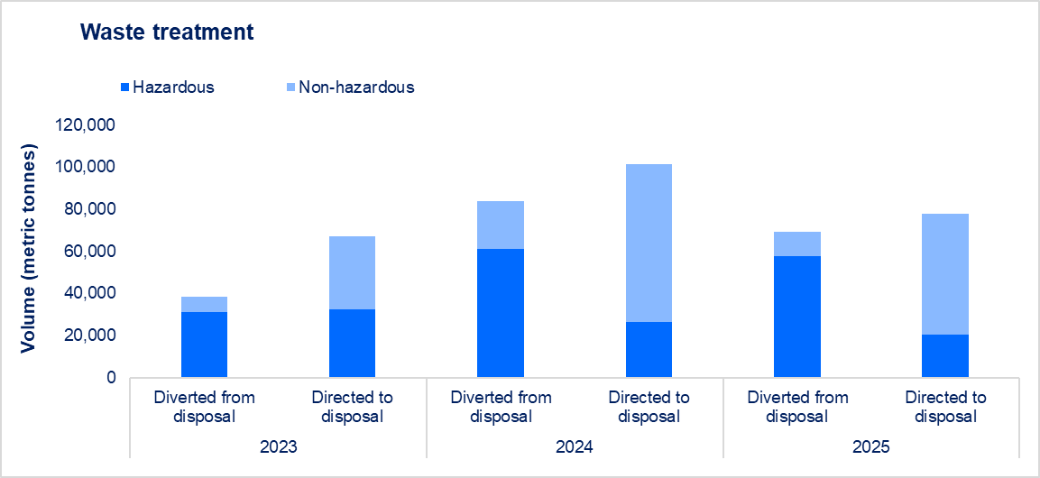

Footnotes
1 Categorised as per GRI 306: Waste 2020. All waste data excludes effluent, with exception of 'Total Effluent Waste Generated' metric.
2 In 2025, Santos reviewed the classification of historical waste data to ensure consistency with current procedures and alignment with GRI 306: Waste 2020. This review identified several inconsistences requiring correction. As a result, waste volumes for 2023 and 2024 have been revised to reflect these updates.

Supplementary waste data
Company Reporting
Return to Index
Return to Index
Company Reporting
2025 Sustainability Data Book
Environmental performance — Waste
Waste management continues to be a focus throughout all operations via the implementation of long-term strategies that focus on the life-cycle management of waste. As recycling and waste recovery programs advance, Santos has focussed on waste avoidance, maximising reuse and improving recycling and recovery rates.
Waste management
All waste data is reported in metric tonnes

Waste management rate | 2025 | Regional summary |  |  |  | 2024 4 | 2023 4
 | Total | Australia | Papua New Guinea | Timor-Leste | United States | Total | Total
Percentage of waste diverted from disposal as of total waste generated1 | 47.1% | 75.8% | 15.0% | 2.2% | 7.7% | 45.3% | 36.5%
Percentage of waste directed to disposal as of total waste generated2 | 52.9% | 24.2% | 85.0% | 97.8% | 92.3% | 54.7% | 63.5%
...

Air emissions
Company Reporting
Return to Index
2025 Sustainability Data Book
Environmental performance — Air Emissions
Our activities seek to avoid and reduce air emissions to prevent or minimise our impacts on nature.
Air emissions1, 2
All air emissions data is reported in kilotonnes

Non greenhouse gas air emissions | 2025 | 2024 | 2023 | 2022 | 2021
Nitrogen oxides (NOx) | 16.52 | 16.24 | 16.17 | 16.71 | 18.37
Sulphur oxides (SOx) | 0.01 | 0.01 | 0.02 | 0.20 | 0.07
Total volatile organic compounds | 5.34 | 3.99 | 5.57 | 5.62 | 5.82
Particulate matter (less than 10.0 micrometres) | 0.16 | 0.15 | 0.15 | 0.14 | 0.17
...

Workforce
Return to Index
Company Reporting
Company Reporting
Return to Index
Return to Index
...
 | Region2,3 |  |  |  |  |  |  |  |  |  | 2024 |  | 2023 |  | 2022 |  | 2021
% | Australia |  | Papua New Guinea |  | Timor-Leste |  | United States |  | Other international locations |  | Total | % of total | Total | % of total | Total | % of total | Total | % of total
 | # | % | # | % | # | % | # | % | # | %
70.4% | 2,032 | 69.8% | 627 | 72.3% | 29 | 82.9% | 139 | 68.8% | 7 | 58.3% | 2,845 | 71.9% | 2,813 | 72.8% | 2,684 | 75.6% | 2,877 | 76.0%
29.6% | 880 | 30.2% | 240 | 27.7% | 6 | 17.1% | 63 | 31.2% | 5 | 41.7% | 1,113 | 28.1% | 1,051 | 27.2% | 866 | 24.4% | 909 | 24.0%
100% | 2,912 | 100% | 867 | 100% | 35 | 100% | 202 | 100% | 12 | 100% | 3,958 |  | 3,864 |  | 3,550 |  | 3,786
...

Diversity
Company Reporting
Return to Index
...
 | 2024 |  | 2023 |  | 2022 |  | 2021
 | Total | % | Total | % | Total | % | Total | %
%
0% | 9 | 0.2% | 10 | 0.3% | 10 | 0.3% | 10 | 0.3%
0% | 12 | 0.3% | 13 | 0.3% | 12 | 0.3% | 16 | 0.4%
...

Training and benefits
Company Reporting
Return to Index
...
 |  |  |  | Region1,2 |  |  |  |  | 2024 | 2023
 |  |  | 50+ | Australia | Papua New Guinea | Timor-Leste | United States | Other international locations | Total | Total
 |  |  | 3.8 | 5.1 | 0.3 | 0 | 2.7 | 0.0 | 10.6 | NPR
 |  |  | 12.3 | 10.9 | 4.7 | 16.0 | 11.1 | 2.7 | 13.2 | NPR
 |  |  | 13.3 | 16.6 | 9.9 | 21.5 | 13.9 | 0.7 | 18.8 | NPR
...
Employee performance reviews | 2025 | 2024
Percentage of eligible employees with a performance review record for 20254 | 100% | 100%

Employee engagement - survey indicators | 2025 | 2024
Response rate | 83% | 76%
Pride working at Santos | 79% | 68%
I believe Santos cares for my health and wellbeing | 76% | 66%

Performance graphs
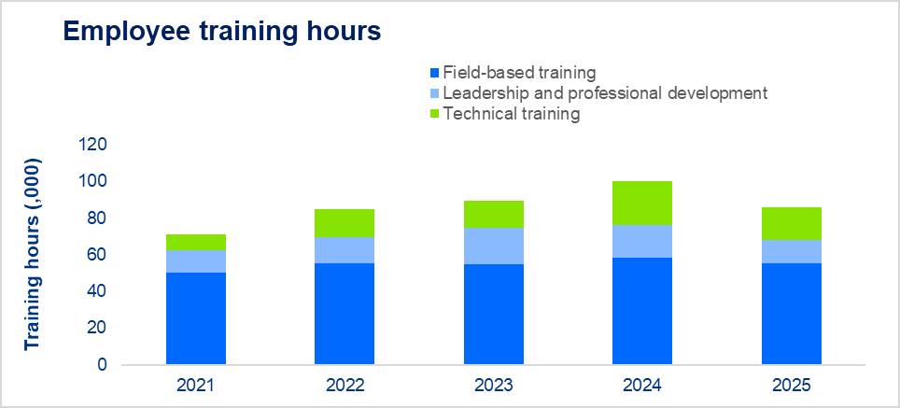

Footnotes
NPR - not previously reported.
1 Timor-Leste employees include Timorese employees working on Bayu-Undan
2 Other international locations include Singapore and Japan.
3 Average training hours per employee only includes a specific subset of all training provided that is captured in SuccessFactors. It excludes some on the job training and mandatory inductions. In addition to the total training hours reported, all eligible employees are required to complete the Santos Code of Conduct training annually.
4 Eligible employees are those employees who commenced employment prior to 1 October 2025, and not on long-term leave.

Community investment
Company Reporting
Return to Index
...
 |  |  |  | 2024 | 2023 | 2022 | 2021
Papua New Guinea | Timor-Leste | Alaska | Other international locations | Total | Total | Total | Total
2,313,710 | 406,609 | 266,609 | NA | 7,214,739 | 25,534,000 | NPR | NPR
0 | 0 | 559,091 | NA | 3,601,721 | 19,651,000 | NPR | NPR
2,313,710 | 406,609 | 825,700 | NA | 10,816,460 | 45,185,000 | 25,800,000 | 31,300,000
...

Global tax contribution
Company Reporting
Return to Index
...
 |  |  |  | 2024 | 2023 | 2022 | 2021
Papua New Guinea | Timor-Leste | Alaska | Other international locations | Total | Total | Total | Total
174,465,450 | 0 | 0 | 11,747,845 | 438,355,360 | 428,000,000 | 529,000,000 | 116,000,000
0 | 0 | 0 | 0 | 115,543,621 | 158,000,000 | 356,000,000 | 248,000,000
44,308,193 | 0 | 28,009,460 |  | 157,419,771 | 153,000,000 | 217,000,000 | 80,000,000
16,619,966 | 3,811,633 | 15,490,343 | 769,089 | 205,516,631 | 170,000,000 | 221,000,000 | 194,000,000
...

Santos Foundation
Company Reporting
Return to Index
2025 Sustainability Data Book
Economic sustainability
The Santos Foundation’s mission is to invest in partnerships and local initiatives that help communities thrive. We work with communities, local partners and donors to address societal trends and local needs across the four strategic pillars of Health, Youth Opportunities, Community Development and Family and Sexual Violence.
Community investment

Santos Foundation (USD$)1 | 2025 | Regional summary |  |  |  | 2024 | 2023
 | Total | Australia | Papua New Guinea | Timor-Leste | Alaska | Total | Total
Santos Foundation community investment2,3 | 18,366,058 | 2,052,221 | 16,313,837 | 0 | 0 | 14,278,515 | 13,675,000

Footnotes
1 The Santos Foundation is a not-for-profit organisation operating in PNG and Australia and comprises two trusts managed by corporate trustees which are Santos subsidiaries.
...

Supply chain
Company Reporting
Return to Index
...
 |  |  |  | 2024 | 2023 | 2022 | 2021
Papua New Guinea | Timor-Leste | Alaska | Other international locations | Total | Total | Total | Total
229,200,718 | 43,240,835 | 730,187,699 | 973,279,065 | 6,262,219,250 | NPR | NPR | NPR
5,198,938 | 1,942,999 | 199,533,531 | 0 | 169,046,447 | NPR | NPR | NPR
234,399,656 | 45,183,834 | 929,721,230 | 973,279,065 | 6,431,265,697 | 5,412,000,000 | 4,160,000,000 | 3,404,000,000
...

Shareholder value
Company Reporting
Return to Index

2025 Sustainability Data Book
Economic sustainability
In 2025, Santos delivered strong free cashflow and returned $770 million of declared dividends. Santos is well positioned to deliver further strong shareholder returns with imminent 2026 production growth.
Shareholder value

Shareholder value (USD$m)1 | 2025 | 2024 | 2023 | 2022 | 2021 | 2020 | 2019 | 2018 | 20172
Interim dividend | 435 | 422 | 283 | 255 | 114 | 44 | 124 | 73 | 0
Final dividend | 335 | 335 | 569 | 500 | 288 | 104 | 104 | 129 | 0
Share buy back | 0 | 0 | 0 | 700 | 0 | 0 | 0 | 0 | 0

Performance graphs
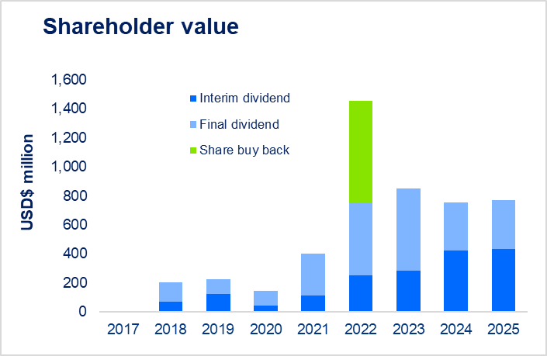

Footnotes
1 Shareholder value data are expressed on a net equity basis.
2 There were no dividends declared in 2017.

Local communities
Company Reporting
Return to Index
2025 Sustainability Data Book
Community relations
Santos is committed to contribute meaningfully to the future strength and prosperity of the communities where we operate. This includes identifying opportunities to employ and upskill local people.
Local communities

International local employment by country1 | 2025 |  | 2024 | 2023 | 2022 | 2021
 | Employees | % | % | % | % | %
Papua New Guinea | 798 | 92.0% | 91.0% | 90.0% | 88.0% | 88.0%
United States | 197 | 97.5% | 97.7% | 98.0% | 100% | 100%
Timor-Leste | 35 | 100% | 100% | 100% | 100% | 100%
...

Stakeholder engagement
Company Reporting
Return to Index
...
 |  | Regional summary |  |  |  | 2024 | 2023 | 2022 | 2021
 |  | Australia | Papua New Guinea1 | Timor-Leste | Alaska2 | Total | Total | Total | Total
 |  | 813 | 1 | 0 | 1 | 510 | 477 | 257 | 421
 |  | 216 | 0 | 0 | 2 | 185 | 517 | 212 | 204
 |  | 87 | 0 | 0 | 0 | 69 | 53 | 75 | 92
 |  | 375 | 4 | 0 | 13 | 262 | 206 | 63 | 88

Indigenous and landholder relations6 | 2025 | Regional summary |  |  |  | 2024 | 2023
 | Total | Australia | Papua New Guinea | Timor-Leste | Alaska | Total | Total
New agreements with landholders and landowners7 | 522 | 518 | 4 | NA | 0 | 482 | NPR
Total cumulative agreements with landholders and landowners8 | 4,661 | 4,176 | 483 | NA | 2 | NPR | NPR
Engagements with landholders and landowners9, 10 | 33,695 | 26,147 | 7,119 | NA | 429 | 13,907 | 10,872
Agreements with Indigenous groups | 72 | 70 | NA | 0 | 2 | 71 | 96

Number of prosecutions as a consequence of unauthorised impacts to landholder properties | 0 | 0 | 0 | NA | 0 | 0 | 0
Number of prosecutions as a consequence of unauthorised impacts to cultural heritage | 0 | 0 | 0 | 0 | 0 | 0 | 0

Performance graphs
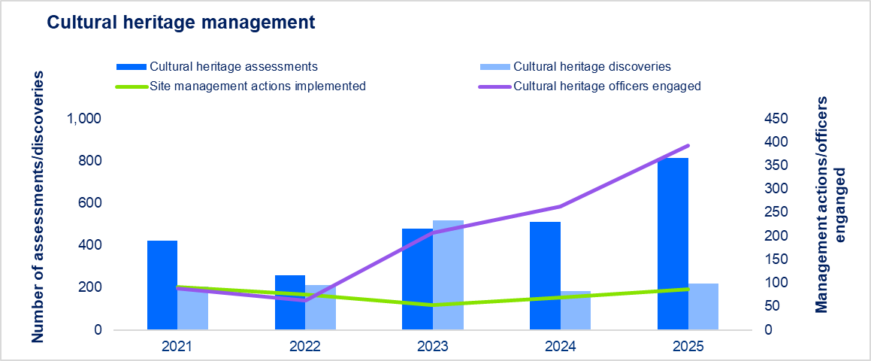

Footnotes
NPR - not previously reported. N/A - not applicable.
1 APF Tie-In proposed flowline in the Green Field SItes Survey was conducted in November to December 2025. The final report has yet to be released However there does not appear to have been cultural heritage finds.
2 Assessment included in Stirrup, Keelbak and NDC areas, including three pedestrian surveys, one known cultural site visit, and six opportunistic pedestrian surveys.
3 Alaska: Cultural resources surveys resulted in the recordation and mapping of two new segments of tundra winter roads (HAR-00176; UMI-0233 and HAR-00175; UMI-00228).
4 Santos PNG approach has been one of avoidance of significant cultural heritage finds of flora and fauna.
5 PNG: Officers employed as part of APF Project Resettlement Land Access.
6 Landholder data collected in Papua New Guinea and Australia only.
7 Report for number of agreements with landholders and landowners has changed to new agreements in 2024. The accumulative numbers of agreements were reported in the 2023 Sustainability and Climate Report. EA: 1 Jan to 31 Dec 2025, including variations NT; Excluding DLNG and Barossa; Including Beetaloo; QLD Including Mahalo, GTP.T76 PNG: Associated with APF Project Land Access: Kaitigi Camp Extension, Delta Quarry (Kopi), Kobu Quarry; Hegigio Bridge Abudment Camp, Epe Quarry
8 EA: Total to 31 Dec 2025, including Variations and expired agreements and excluding SA Notice of Entry (NOE) prior to 1 Jan 2025; NT Excluding DLNG and Barossa; Including Beetaloo; QLD Including Mahalo, GTP. PNG: (PDL 1 - 14; PPL 2 - 341; PDL 3/4 - 27, PDL 5 - 65; PL 2 - 32) includes existing Agreements.
...

Greenhouse gas emissions
Company Reporting
Return to Index
2025 Sustainability Data Book
Climate1, 2, 3, 4, 5
With Moomba CCS operational, Santos has achieved our 2030 net emissions reduction target ahead of schedule and is positioned to pursue our Scope 1 and 2 net-zero emissions targets. We are also committed to collaborating with our customers and suppliers to address our Scope 3 emissions. We are building a potential commercial carbon storage business which aims to give us a pathway to reduce equivalent Scope 3 emissions in our value chain.6 The following emissions data are gross emissions. Santos’ gross emissions refer to emissions including decarbonisation through ‘avoid’ and ‘reduce’ initiatives and prior to any reduction using carbon credits. Santos’ gross emissions reflect emissions after CO2e has been captured and stored by Moomba CCS operations. See Santos’ 2025 Annual Report for the Company’s emissions performance against our targets.
Scope 1 greenhouse gas emissions7

 | 2025 | 2024 | 2023 | 2022 | 2021
Emissions - total operated and equity share
Total operated emissions (MtCO2e) | 3.61 | 4.44 | 5.50 | 5.87 | 6.40
Equity share emissions (MtCO2e) | 3.55 | 4.12 | 4.60 | 4.86 | 4.69
Equity share intensity (ktCO2e/mmboe) | 46 | 47 | 50 | 47 | 51
...

Energy consumption
Company Reporting
Return to Index
2025 Sustainability Data Book
Climate

Energy consumption

Energy consumption (petajoules)1 | 2025 | 2024 | 2023 | 2022 | 2021
Energy consumption | 60 | 58 | 69 | 75 | 77

Footnotes
1 Energy consumption is reported in petajoules on a gross operated basis. The quantity of energy consumed has been calculated in accordance with the reporting of net energy consumption under the National Greenhouse and Energy Reporting Act (2007). Net energy consumption comprises the use or disposal of energy from the operation of the facility and includes the quantity of energy used for fuel, flare, vent or other fugitive losses and purchased electricity. It excludes the consumption of energy for energy transformation (i.e. conversion from one form of energy commodity to another form), and the consumption of self-generated electricity for own use.

Corporate governance
Company Reporting
Return to Index
2025 Sustainability Data Book
Corporate governance
Governance is a core function for Santos. We promote a culture of ethical and responsible conduct in line with our values and legal obligations to support long-term success. Santos’ Code of Conduct sets clear expectations for ethical behaviour, guiding how we interact, make decisions and perform daily work. All employees and contractors are required to adhere to these standards, and we prescribe mandatory training across all global locations.
Misconduct

Substantiated types of misconduct by individuals | 2025 | 2024 | 2023 | 2022
Sexual harassment1 | 5 | 4 | 1 | 1
Harassment | 2 | 2 | 3 | 3
Policy/standard/code/procedure2 | 6 | 2 | 6 | 4
Delegation of Authority | 0 | 0 | 0 | 1
Misuse of company assets3 | 2 | 1 | 1 | 2
...

Human rights and security
Company Reporting
Return to Index
2025 Sustainability Data Book
Human rights and security
Santos is committed to supporting and respecting the protection of internationally recognised human rights as set out in the UN International Bill of Rights and works to align to the UN Guiding Principles of Business and Human Rights and the Voluntary Principles for Security and Human Rights in our practices and procedures, including our Human Rights and Modern Slavery Policy.
Security training performance

Voluntary principles on security and human rights training1 | 2025 | 2024 | 2023
Employees - percentage of security personnel trained | 66.7% | 100% | 100%
Contractors - percentage of security personnel trained | 94.2% | 85.7% | 90.0%
Combined employee/contractor percentage of security personnel trained | 92.6% | 86.9% | 90.0%

Footnotes
...

Glossary
X4A0T
Company Reporting
Return to Index
Return to Index
Company Reporting
2025 Sustainability Data Book
Glossary

Definitions, acronyms and abbreviations

Term | Meaning
absolute | When used in reference to emissions reduction targets, means reduction against the total emissions at the relevant point in time, rather than a relative or comparative amount or on an intensity basis
ACCU | Australian Carbon Credit Unit. Each ACCU issued represents one tonne of carbon dioxide equivalent (tCO2e)
AEMO | Australian Energy Market Operator
ALARP | as low as reasonably practicable
all-in free cash flow | Operating cash flows less investing cash flows (net of acquisitions and disposals) less lease liability payments
...

